(a) Stock Return Analysis
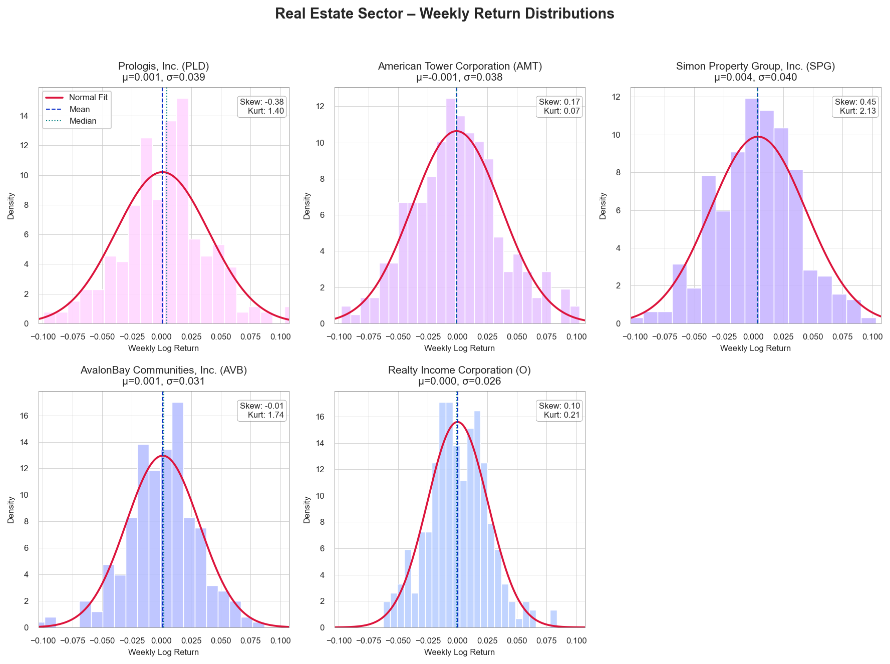
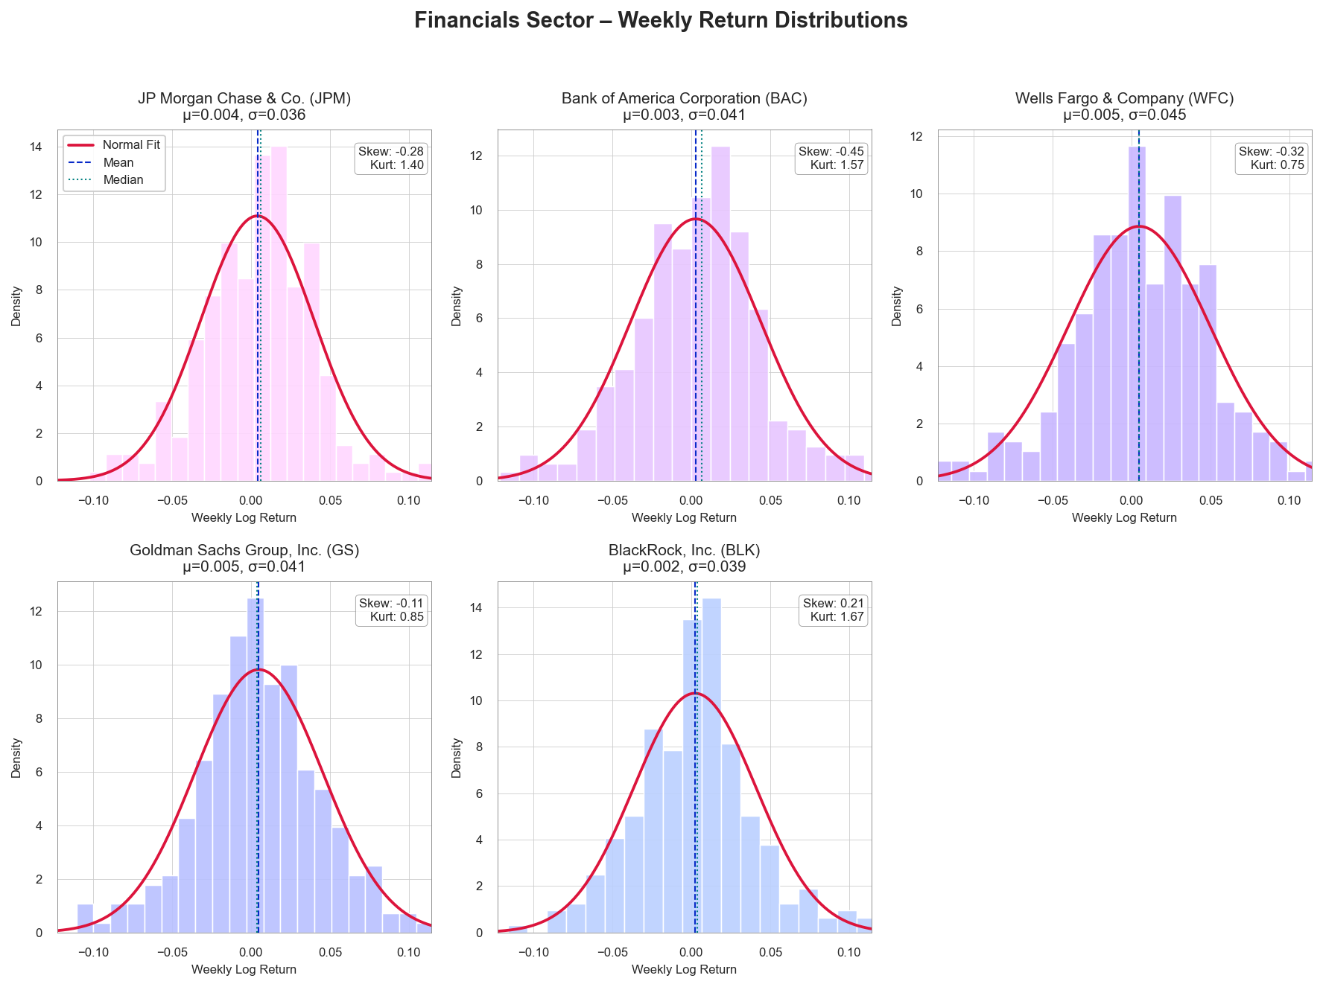
Linked to Section 3(a) Stock Returns Analysis – Descriptive Analytics

Ticker | Mean | Median | StdDev | Skewness | Kurtosis
JPM | 0.0041 | 0.0064 | 0.0359 | -0.2812 | 1.4033
BAC | 0.0028 | 0.0069 | 0.0413 | -0.4461 | 1.5747
WFC | 0.0049 | 0.0046 | 0.045 | -0.3231 | 0.7536
GS | 0.005 | 0.0036 | 0.0406 | -0.11 | 0.8485
BLK | 0.0023 | 0.0037 | 0.0387 | 0.2088 | 1.6726
PLD | 0.0007 | 0.0042 | 0.0391 | -0.3784 | 1.4013
AMT | -0.0008 | -0.001 | 0.0375 | 0.1663 | 0.068
SPG | 0.0038 | 0.0033 | 0.0403 | 0.4535 | 2.1311
AVB | 0.001 | 0.0017 | 0.0308 | -0.0143 | 1.7356
O | 0 | -0.0006 | 0.0256 | 0.1023 | 0.2108

(b) Covariance and Correlation
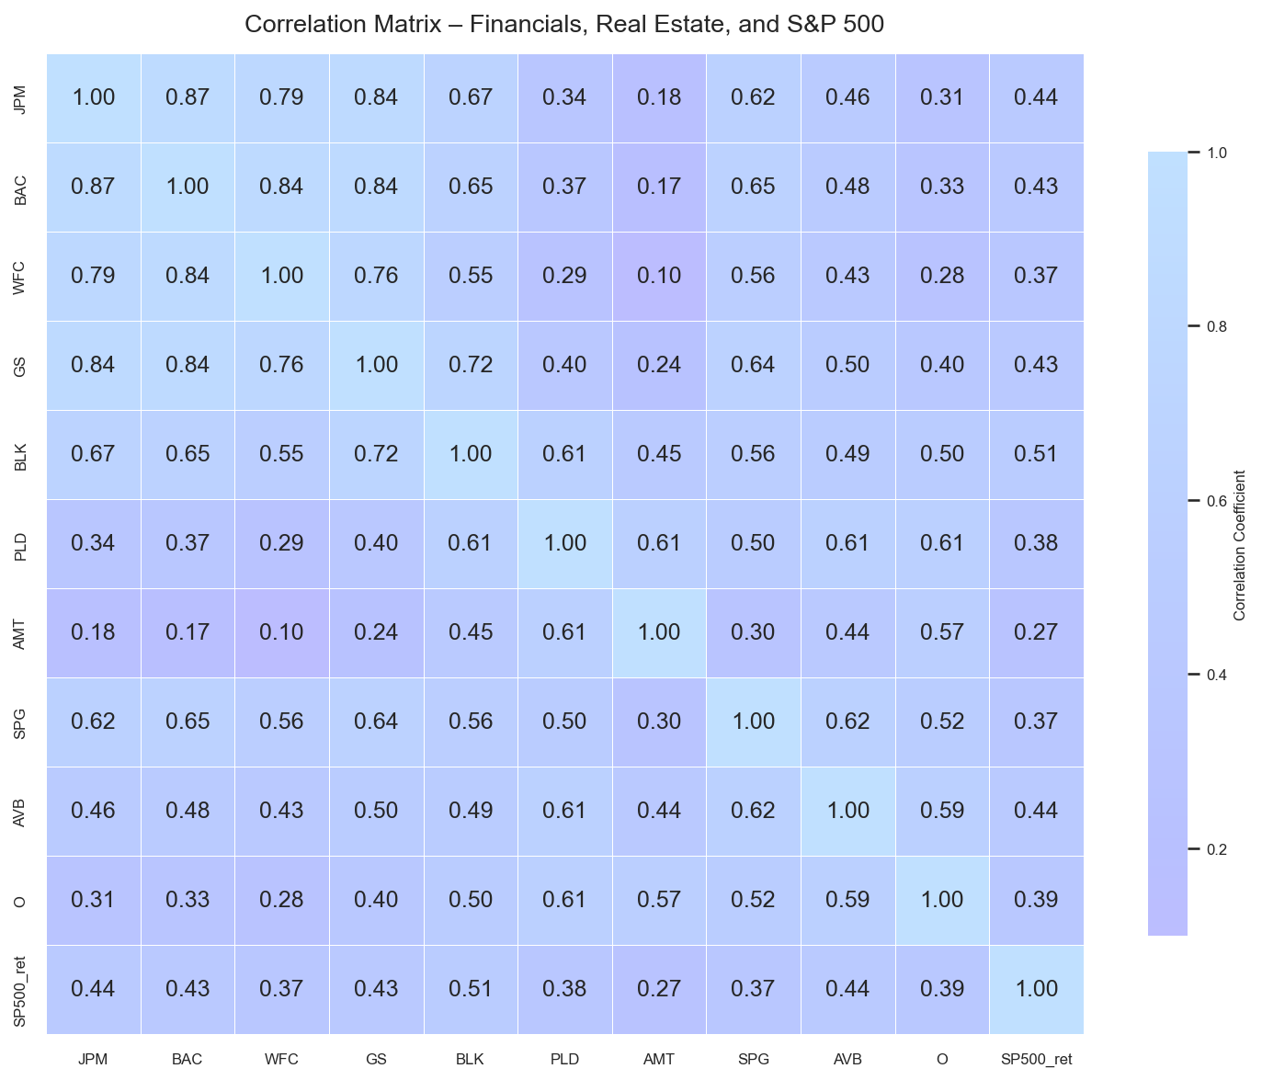
Linked to Section 3(b) Covariance and Correlation Analysis

Covariance Matrix:

 | JPM | BAC | WFC | GS | BLK | PLD | AMT | SPG | AVB | O | SP500_ret
JPM | 0.001306 | 0.001305 | 0.001294 | 0.001251 | 0.000940 | 0.000489 | 0.000249 | 0.000911 | 0.000521 | 0.000289 | 0.000185
BAC | 0.001305 | 0.001727 | 0.001591 | 0.001428 | 0.001056 | 0.000602 | 0.000266 | 0.001108 | 0.000622 | 0.000349 | 0.000206
WFC | 0.001294 | 0.001591 | 0.002070 | 0.001418 | 0.000978 | 0.000514 | 0.000172 | 0.001038 | 0.000612 | 0.000324 | 0.000193
GS | 0.001251 | 0.001428 | 0.001418 | 0.001684 | 0.001149 | 0.000653 | 0.000377 | 0.001078 | 0.000636 | 0.000414 | 0.000204
BLK | 0.000940 | 0.001056 | 0.000978 | 0.001149 | 0.001525 | 0.000941 | 0.000664 | 0.000887 | 0.000597 | 0.000498 | 0.000228
PLD | 0.000489 | 0.000602 | 0.000514 | 0.000653 | 0.000941 | 0.001557 | 0.000911 | 0.000803 | 0.000749 | 0.000614 | 0.000173
AMT | 0.000249 | 0.000266 | 0.000172 | 0.000377 | 0.000664 | 0.000911 | 0.001435 | 0.000471 | 0.000513 | 0.000555 | 0.000120
SPG | 0.000911 | 0.001108 | 0.001038 | 0.001078 | 0.000887 | 0.000803 | 0.000471 | 0.001671 | 0.000792 | 0.000546 | 0.000174
AVB | 0.000521 | 0.000622 | 0.000612 | 0.000636 | 0.000597 | 0.000749 | 0.000513 | 0.000792 | 0.000967 | 0.000471 | 0.000158
O | 0.000289 | 0.000349 | 0.000324 | 0.000414 | 0.000498 | 0.000614 | 0.000555 | 0.000546 | 0.000471 | 0.000652 | 0.000116
SP500_ret | 0.000185 | 0.000206 | 0.000193 | 0.000204 | 0.000228 | 0.000173 | 0.000120 | 0.000174 | 0.000158 | 0.000116 | 0.000134

Correlation Matrix:

 | JPM | BAC | WFC | GS | BLK | PLD | AMT | SPG | AVB | O | SP500_ret
JPM | 1.000000 | 0.869198 | 0.786802 | 0.843605 | 0.666407 | 0.342978 | 0.181656 | 0.616963 | 0.463764 | 0.312842 | 0.442740
BAC | 0.869198 | 1.000000 | 0.841475 | 0.837425 | 0.650572 | 0.367231 | 0.168963 | 0.652318 | 0.481331 | 0.328861 | 0.427336
WFC | 0.786802 | 0.841475 | 1.000000 | 0.759584 | 0.550540 | 0.286392 | 0.099649 | 0.558279 | 0.432557 | 0.278840 | 0.365631
GS | 0.843605 | 0.837425 | 0.759584 | 1.000000 | 0.716980 | 0.403406 | 0.242213 | 0.642662 | 0.498547 | 0.395293 | 0.428989
BLK | 0.666407 | 0.650572 | 0.550540 | 0.716980 | 1.000000 | 0.610938 | 0.448946 | 0.555630 | 0.491730 | 0.499144 | 0.505022
PLD | 0.342978 | 0.367231 | 0.286392 | 0.403406 | 0.610938 | 1.000000 | 0.609228 | 0.498046 | 0.610199 | 0.609217 | 0.377570
AMT | 0.181656 | 0.168963 | 0.099649 | 0.242213 | 0.448946 | 0.609228 | 1.000000 | 0.304074 | 0.435072 | 0.573655 | 0.274365
SPG | 0.616963 | 0.652318 | 0.558279 | 0.642662 | 0.555630 | 0.498046 | 0.304074 | 1.000000 | 0.622947 | 0.523282 | 0.366729
AVB | 0.463764 | 0.481331 | 0.432557 | 0.498547 | 0.491730 | 0.610199 | 0.435072 | 0.622947 | 1.000000 | 0.593926 | 0.439276
O | 0.312842 | 0.328861 | 0.278840 | 0.395293 | 0.499144 | 0.609217 | 0.573655 | 0.523282 | 0.593926 | 1.000000 | 0.391149
SP500_ret | 0.442740 | 0.427336 | 0.365631 | 0.428989 | 0.505022 | 0.377570 | 0.274365 | 0.366729 | 0.439276 | 0.391149 | 1.000000

(c) Stock Ret & Fin fundamental
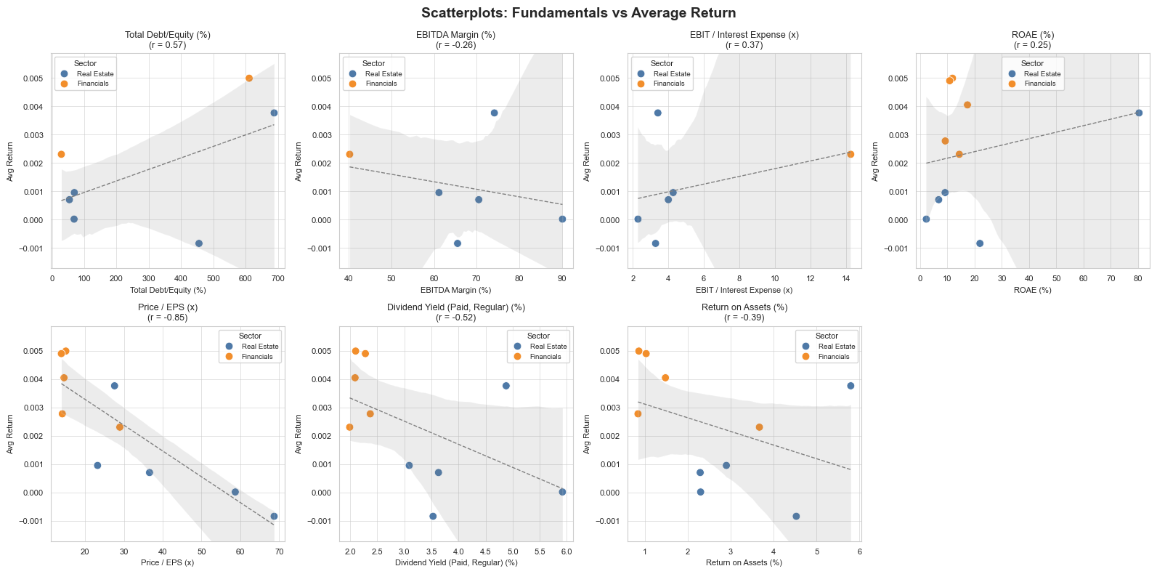
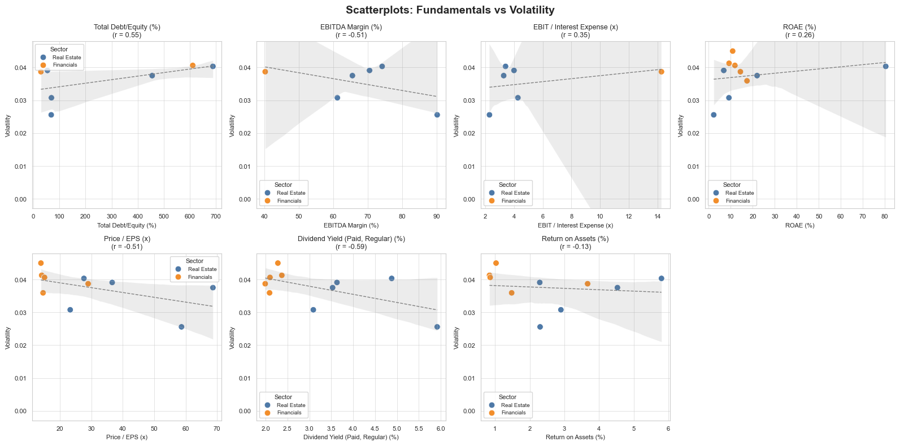
Linked to Section 3(c) Stock returns and financial fundamentals relationship analysis

Correlations:

Fundamental | Corr_with_Return | Corr_with_Volatility
Total Debt/Equity (%) | 0.566 | 0.55
EBIT / Interest Expense (x) | 0.369 | 0.348
ROAE (%) | 0.248 | 0.262
EBITDA Margin (%) | -0.264 | -0.506
Return on Assets (%) | -0.388 | -0.126
Dividend Yield (Paid, Regular) (%) | -0.522 | -0.588
Price/ EPS (x) | -0.851 | -0.508

Merged Stock returns with financial fundamentals:

Entity Name | Ticker | Entity ID | Market Capitalization ($M) | Total Revenue ($000) | ROAE (%) | EBITDA Margin (%) | Total Debt/Equity (%) | Total Debt ($000) | Total Assets ($000) | Price/ EPS (x) | Dividend Yield (Paid, Regular) (%) | Return on Assets (%) | EBIT / Interest Expense (x) | avg_return | volatility | Sector
American Tower Corporation (NYSE:AMT) | AMT | 4290489 | 89,108.21 | 10,262,400 | 21.96 | 65.54 | 455.54 | 43,954,100 | 61,077,400 | 68.7 | 3.53 | 4.53 | 3.28 | -0.00083578042051 | 0.037519024051 | Real Estate
AvalonBay Communities, Inc. (NYSE:AVB) | AVB | 103145 | 26,883.18 | 2,990,646 | 9.17 | 61.17 | 69.09 | 8,250,531 | 21,000,737 | 23.24 | 3.09 | 2.9 | 4.27 | 0.00095787820343 | 0.03077343912 | Real Estate
Bank of America Corporation (NYSE:BAC) | BAC | 100369 | 379,370.88 | 101,887,000 | 9.23 |  |  | 717,447,000 | 3,261,519,000 | 14.15 | 2.37 | 0.84 |  | 0.0027785884967 | 0.041273215384 | Financials
BlackRock, Inc. (NYSE:BLK) | BLK | 4048287 | 174,487.50 | 20,407,000 | 14.38 | 40.22 | 28.82 | 14,222,000 | 138,615,000 | 28.96 | 1.99 | 3.67 | 14.27 | 0.0023073791963 | 0.03870492007 | Financials
JPMorgan Chase & Co. (NYSE:JPM) | JPM | 100201 | 801,796.79 | 169,463,000 | 17.38 |  |  | 827,030,000 | 4,002,814,000 | 14.59 | 2.09 | 1.48 |  | 0.0040502060774 | 0.035929883902 | Financials
Prologis, Inc. (NYSE:PLD) | PLD | 103146 | 116,798.07 | 8,380,125 | 6.82 | 70.51 | 53.73 | 31,494,568 | 95,328,909 | 36.61 | 3.63 | 2.29 | 4 | 0.00070719286161 | 0.039098133343 | Real Estate
Realty Income Corporation (NYSE:O) | O | 103118 | 55,059.51 | 5,305,961 | 2.27 | 90.15 | 68.31 | 26,677,340 | 68,835,039 | 58.69 | 5.92 | 2.3 | 2.29 | 2.1504527369E-05 | 0.025574562074 | Real Estate
Simon Property Group, Inc. (NYSE:SPG) | SPG | 103117 | 58,347.52 | 6,205,338 | 80.41 | 74.17 | 688.57 | 24,784,778 | 32,405,691 | 27.61 | 4.88 | 5.8 | 3.41 | 0.003766881045 | 0.040329493867 | Real Estate
The Goldman Sachs Group, Inc. (NYSE:GS) | GS | 4039450 | 237,631.37 | 53,512,000 | 11.89 |  | 611.11 | 747,975,000 | 1,675,972,000 | 15.06 | 2.1 | 0.86 |  | 0.0049919010172 | 0.040629155688 | Financials
Wells Fargo & Company (NYSE:WFC) | WFC | 100382 | 265,959.19 | 82,296,000 | 10.86 |  |  | 302,642,000 | 1,929,845,000 | 13.91 | 2.28 | 1.03 |  | 0.0049023607748 | 0.044993177788 | Financials

(d) Equal-weighted Portfolio
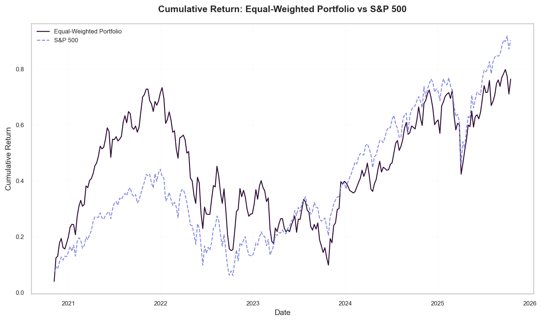
Linked to Section 3(d) Equal-weighted Portfolio Construction & Performance Analysis

Performance Metrics:

Metric | Portfolio | S&P500
Mean Weekly Return | 0.002592 | 0.002749
Weekly Std Dev | 0.028180 | 0.022837
Sharpe Ratio | 0.071335 | 0.094905
Annualized Return | 0.134770 | 0.142938
Annualized Std Dev | 0.203212 | 0.164681
Annualized Sharpe | 0.514407 | 0.684366

Cumulative Snapshot:

Date | Portfolio_Cumulative | SP500_Cumulative
2025-10-17 | 0.764436 | 0.903658

(e) Optimal Portfolio Analysis
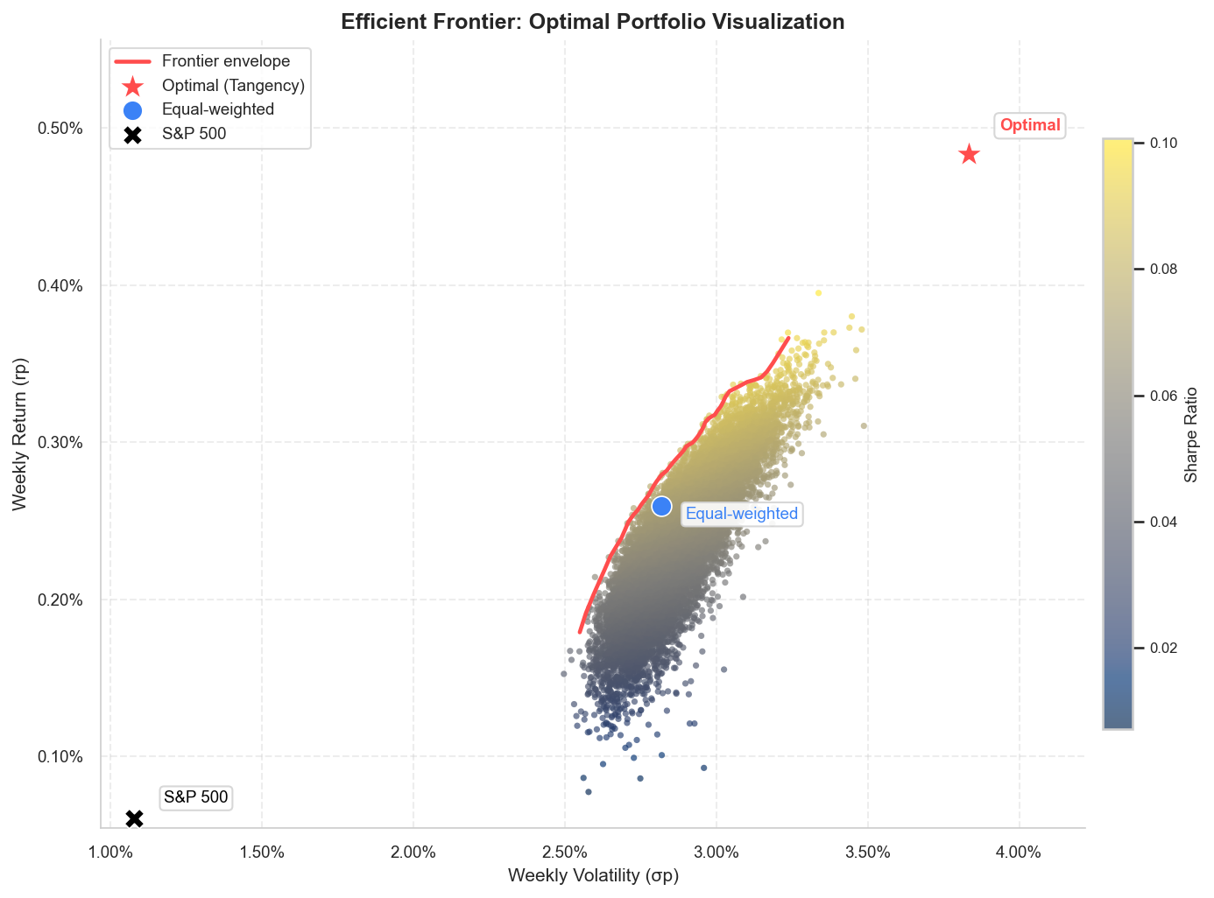
Linked to Section 3(e) Optimal Portfolio Analysis Construction & Performance Analysis

Optimal Weights: |  |  |  | Efficient Frontier:

Ticker | Optimal_Weight |  |  | Return | Volatility | Sharpe
GS | 0.65625296592 |  |  | 0.002886 | 0.030296 | 0.075810
WFC | 0.23301516923 |  |  | 0.002684 | 0.030739 | 0.068162
SPG | 0.10597371888 |  |  | 0.002516 | 0.029244 | 0.065878
JPM | 0.0047581459709 |  |  | 0.002272 | 0.028682 | 0.058652
BAC | 1.1991276028E-16 |  |  | 0.002440 | 0.029449 | 0.062835
O | 1.7997756063E-17 |  |  | 0.003111 | 0.031720 | 0.079497
PLD | 1.496198998E-17 |  |  | 0.002610 | 0.028596 | 0.070681
BLK | 9.1072982489E-18 |  |  | 0.002178 | 0.028841 | 0.055087
AVB | 6.9388939039E-18 |  |  | 0.002053 | 0.027285 | 0.053656
AMT | 0 |  |  | 0.002737 | 0.031138 | 0.068979
 |  |  |  | 0.002663 | 0.030902 | 0.067107
Comparison Metrics: |  |  |  | 0.002157 | 0.027907 | 0.056159
 |  |  |  | 0.002262 | 0.028574 | 0.058547
Metric | Optimal Portfolio | Equal-weighted | S&P500 | 0.001945 | 0.027247 | 0.049747
Mean Weekly Return | 0.004837 | 0.002592 | 0.000603 | 0.002823 | 0.029317 | 0.076185
Weekly Std Dev | 0.038340 | 0.028180 | 0.010763 | 0.002310 | 0.028042 | 0.061348
Sharpe Ratio | 0.110785 | 0.071335 | 0.001300 | 0.002436 | 0.029102 | 0.063444
 |  |  |  | 0.002230 | 0.027666 | 0.059319
 |  |  |  | 0.002556 | 0.028811 | 0.068254
 |  |  |  | 0.002324 | 0.028350 | 0.061201
 |  |  |  | 0.003583 | 0.032488 | 0.092141
 |  |  |  | 0.002386 | 0.028299 | 0.063507
 |  |  |  | 0.001742 | 0.026480 | 0.043517
 |  |  |  | 0.002571 | 0.029263 | 0.067716
 |  |  |  | 0.002414 | 0.028372 | 0.064331
 |  |  |  | 0.002296 | 0.028623 | 0.059631
 |  |  |  | 0.002271 | 0.029279 | 0.057451
 |  |  |  | 0.002493 | 0.028514 | 0.066759
 |  |  |  | 0.002420 | 0.027966 | 0.065450
 |  |  |  | 0.002084 | 0.028180 | 0.053029
 |  |  |  | 0.002130 | 0.028847 | 0.053422
 |  |  |  | 0.002437 | 0.029717 | 0.062185
 |  |  |  | 0.002411 | 0.029472 | 0.061825
 |  |  |  | 0.001942 | 0.028301 | 0.047807
 |  |  |  | 0.001802 | 0.027158 | 0.044645
 |  |  |  | 0.002424 | 0.028883 | 0.063528
 |  |  |  | 0.002470 | 0.029828 | 0.063051
 |  |  |  | 0.001504 | 0.026842 | 0.034071
 |  |  |  | 0.002265 | 0.028533 | 0.058733
 |  |  |  | 0.002106 | 0.027326 | 0.055524
 |  |  |  | 0.002320 | 0.029635 | 0.058412
 |  |  |  | 0.002514 | 0.029227 | 0.065856
 |  |  |  | 0.002658 | 0.029860 | 0.069282
 |  |  |  | 0.002599 | 0.030542 | 0.065809
 |  |  |  | 0.002024 | 0.029403 | 0.048806
 |  |  |  | 0.003496 | 0.032736 | 0.088782
 |  |  |  | 0.002529 | 0.029196 | 0.066435
 |  |  |  | 0.002211 | 0.029157 | 0.055632
 |  |  |  | 0.002274 | 0.028143 | 0.059856
 |  |  |  | 0.001596 | 0.026046 | 0.038639
 |  |  |  | 0.002246 | 0.027666 | 0.059881
 |  |  |  | 0.003129 | 0.030510 | 0.083233
 |  |  |  | 0.002708 | 0.029378 | 0.072121
 |  |  |  | 0.002491 | 0.029827 | 0.063759
 |  |  |  | 0.002657 | 0.028946 | 0.071431
 |  |  |  | 0.002455 | 0.029251 | 0.063793
 |  |  |  | 0.001859 | 0.027033 | 0.046970
 |  |  |  | 0.002657 | 0.030292 | 0.068257
 |  |  |  | 0.002989 | 0.032707 | 0.073385
 |  |  |  | 0.002037 | 0.029869 | 0.048470
 |  |  |  | 0.001657 | 0.026448 | 0.040384
 |  |  |  | 0.001970 | 0.028456 | 0.048526
 |  |  |  | 0.002603 | 0.029723 | 0.067735
 |  |  |  | 0.002558 | 0.029414 | 0.066929
 |  |  |  | 0.001658 | 0.027605 | 0.038727
 |  |  |  | 0.002578 | 0.028978 | 0.068637
 |  |  |  | 0.002792 | 0.031420 | 0.070100
 |  |  |  | 0.001884 | 0.027811 | 0.046571
 |  |  |  | 0.002315 | 0.028594 | 0.060349
 |  |  |  | 0.002412 | 0.028685 | 0.063526
 |  |  |  | 0.002037 | 0.027639 | 0.052377
 |  |  |  | 0.002211 | 0.028131 | 0.057656
 |  |  |  | 0.002870 | 0.030261 | 0.075357
 |  |  |  | 0.002473 | 0.029559 | 0.063739
 |  |  |  | 0.002260 | 0.027847 | 0.060000
 |  |  |  | 0.001914 | 0.027560 | 0.048078
 |  |  |  | 0.002037 | 0.027442 | 0.052757
 |  |  |  | 0.002233 | 0.028685 | 0.057289
 |  |  |  | 0.001848 | 0.026843 | 0.046881
 |  |  |  | 0.001787 | 0.027005 | 0.044350
 |  |  |  | 0.002449 | 0.028751 | 0.064685
 |  |  |  | 0.002655 | 0.030156 | 0.068507
 |  |  |  | 0.002154 | 0.027666 | 0.056565
 |  |  |  | 0.001444 | 0.026701 | 0.031998
 |  |  |  | 0.002716 | 0.029866 | 0.071203
 |  |  |  | 0.003112 | 0.032041 | 0.078721
 |  |  |  | 0.002244 | 0.027344 | 0.060526
 |  |  |  | 0.002725 | 0.029399 | 0.072660
 |  |  |  | 0.001804 | 0.028957 | 0.041955
 |  |  |  | 0.003259 | 0.032531 | 0.082081
 |  |  |  | 0.001746 | 0.028081 | 0.041210
 |  |  |  | 0.002762 | 0.029586 | 0.073430
 |  |  |  | 0.003207 | 0.030989 | 0.084472
 |  |  |  | 0.003178 | 0.031890 | 0.081180
 |  |  |  | 0.002899 | 0.029780 | 0.077552
 |  |  |  | 0.002347 | 0.028452 | 0.061775
 |  |  |  | 0.001776 | 0.027304 | 0.043466
 |  |  |  | 0.002270 | 0.028330 | 0.059313
 |  |  |  | 0.001647 | 0.027320 | 0.038722
 |  |  |  | 0.002094 | 0.027424 | 0.054880
 |  |  |  | 0.002532 | 0.029403 | 0.066057
 |  |  |  | 0.002466 | 0.030346 | 0.061836
 |  |  |  | 0.002559 | 0.028653 | 0.068734
 |  |  |  | 0.002099 | 0.029320 | 0.051489
 |  |  |  | 0.002493 | 0.030125 | 0.063202
 |  |  |  | 0.002586 | 0.029006 | 0.068847
 |  |  |  | 0.002730 | 0.030539 | 0.070111
 |  |  |  | 0.001698 | 0.027366 | 0.040510
 |  |  |  | 0.002407 | 0.028461 | 0.063869
 |  |  |  | 0.002811 | 0.029671 | 0.074892
 |  |  |  | 0.002912 | 0.031218 | 0.074396
 |  |  |  | 0.002990 | 0.030575 | 0.078513
 |  |  |  | 0.003120 | 0.031716 | 0.079796
 |  |  |  | 0.001928 | 0.027158 | 0.049306
 |  |  |  | 0.002129 | 0.027201 | 0.056601
 |  |  |  | 0.002885 | 0.030715 | 0.074756
 |  |  |  | 0.002419 | 0.028578 | 0.064015
 |  |  |  | 0.002043 | 0.028003 | 0.051905
 |  |  |  | 0.002377 | 0.028016 | 0.063814
 |  |  |  | 0.002047 | 0.028609 | 0.050962
 |  |  |  | 0.001656 | 0.026486 | 0.040272
 |  |  |  | 0.002845 | 0.030160 | 0.074788
 |  |  |  | 0.002530 | 0.028240 | 0.068733
 |  |  |  | 0.001889 | 0.027221 | 0.047735
 |  |  |  | 0.002643 | 0.029440 | 0.069750
 |  |  |  | 0.002367 | 0.028705 | 0.061934
 |  |  |  | 0.002510 | 0.029232 | 0.065715
 |  |  |  | 0.002913 | 0.030762 | 0.075539
 |  |  |  | 0.002937 | 0.031886 | 0.073645
 |  |  |  | 0.002514 | 0.028340 | 0.067920
 |  |  |  | 0.001842 | 0.028207 | 0.044412
 |  |  |  | 0.002785 | 0.031179 | 0.070437
 |  |  |  | 0.002585 | 0.029149 | 0.068458
 |  |  |  | 0.003038 | 0.032001 | 0.076523
 |  |  |  | 0.002732 | 0.030057 | 0.071296
 |  |  |  | 0.002231 | 0.028169 | 0.058275
 |  |  |  | 0.002891 | 0.029806 | 0.077212
 |  |  |  | 0.002567 | 0.028397 | 0.069642
 |  |  |  | 0.002027 | 0.027679 | 0.051937
 |  |  |  | 0.001711 | 0.026979 | 0.041594
 |  |  |  | 0.001827 | 0.027249 | 0.045426
 |  |  |  | 0.001508 | 0.027028 | 0.034005
 |  |  |  | 0.001990 | 0.028425 | 0.049292
 |  |  |  | 0.002856 | 0.029454 | 0.076958
 |  |  |  | 0.002401 | 0.027693 | 0.065421
 |  |  |  | 0.002390 | 0.028541 | 0.063104
 |  |  |  | 0.001886 | 0.027284 | 0.047538
 |  |  |  | 0.002328 | 0.028413 | 0.061207
 |  |  |  | 0.002440 | 0.027891 | 0.066346
 |  |  |  | 0.001542 | 0.026879 | 0.035457
 |  |  |  | 0.001846 | 0.026781 | 0.046909
 |  |  |  | 0.002510 | 0.028431 | 0.067562
 |  |  |  | 0.001957 | 0.028065 | 0.048746
 |  |  |  | 0.002857 | 0.030276 | 0.074887
 |  |  |  | 0.002197 | 0.028065 | 0.057302
 |  |  |  | 0.002554 | 0.028134 | 0.069823
 |  |  |  | 0.002092 | 0.027886 | 0.053875
 |  |  |  | 0.003192 | 0.030152 | 0.086334
 |  |  |  | 0.002196 | 0.028042 | 0.057295
 |  |  |  | 0.001968 | 0.028177 | 0.048937
 |  |  |  | 0.002489 | 0.028932 | 0.065652
 |  |  |  | 0.002061 | 0.027370 | 0.053784
 |  |  |  | 0.002964 | 0.029748 | 0.079840
 |  |  |  | 0.002384 | 0.027843 | 0.064467
 |  |  |  | 0.002528 | 0.028918 | 0.067049
 |  |  |  | 0.001631 | 0.027765 | 0.037517
 |  |  |  | 0.002668 | 0.029599 | 0.070222
 |  |  |  | 0.002961 | 0.031041 | 0.076411
 |  |  |  | 0.002124 | 0.027977 | 0.054869
 |  |  |  | 0.002133 | 0.027734 | 0.055675
 |  |  |  | 0.002280 | 0.027401 | 0.061691
 |  |  |  | 0.002513 | 0.029216 | 0.065839
 |  |  |  | 0.001989 | 0.027448 | 0.050995
 |  |  |  | 0.002157 | 0.028481 | 0.055033
 |  |  |  | 0.002766 | 0.030488 | 0.071383
 |  |  |  | 0.001637 | 0.028055 | 0.037359
 |  |  |  | 0.002124 | 0.028158 | 0.054505
 |  |  |  | 0.002581 | 0.029193 | 0.068227
 |  |  |  | 0.002231 | 0.029357 | 0.055937
 |  |  |  | 0.002749 | 0.031362 | 0.068858
 |  |  |  | 0.002355 | 0.029351 | 0.060165
 |  |  |  | 0.002139 | 0.028478 | 0.054404
 |  |  |  | 0.002864 | 0.029978 | 0.075866
 |  |  |  | 0.002772 | 0.029936 | 0.072903
 |  |  |  | 0.002407 | 0.028545 | 0.063670
 |  |  |  | 0.002379 | 0.028596 | 0.062586
 |  |  |  | 0.002376 | 0.029387 | 0.060806
 |  |  |  | 0.002560 | 0.028667 | 0.068764
 |  |  |  | 0.002605 | 0.028854 | 0.069846
 |  |  |  | 0.001860 | 0.027509 | 0.046185
 |  |  |  | 0.002175 | 0.028213 | 0.056219
 |  |  |  | 0.002303 | 0.028934 | 0.059225
 |  |  |  | 0.002645 | 0.028983 | 0.070937
 |  |  |  | 0.002778 | 0.030357 | 0.072109
 |  |  |  | 0.002476 | 0.029374 | 0.064225
 |  |  |  | 0.002016 | 0.027985 | 0.050976
 |  |  |  | 0.002859 | 0.031169 | 0.072816
 |  |  |  | 0.001880 | 0.027728 | 0.046542
 |  |  |  | 0.002139 | 0.027712 | 0.055940
 |  |  |  | 0.002010 | 0.028351 | 0.050095
 |  |  |  | 0.002508 | 0.029069 | 0.065994
 |  |  |  | 0.002514 | 0.028965 | 0.066458
 |  |  |  | 0.002547 | 0.028639 | 0.068350
 |  |  |  | 0.003038 | 0.031605 | 0.077490
 |  |  |  | 0.002736 | 0.030409 | 0.070589
 |  |  |  | 0.002298 | 0.028558 | 0.059840
 |  |  |  | 0.002633 | 0.030169 | 0.067756
 |  |  |  | 0.002288 | 0.028203 | 0.060232
 |  |  |  | 0.002660 | 0.029235 | 0.070825
 |  |  |  | 0.002240 | 0.028433 | 0.058064
 |  |  |  | 0.002249 | 0.027781 | 0.059740
 |  |  |  | 0.002392 | 0.028267 | 0.063774
 |  |  |  | 0.002351 | 0.028589 | 0.061619
 |  |  |  | 0.002378 | 0.028644 | 0.062461
 |  |  |  | 0.002234 | 0.027792 | 0.059180
 |  |  |  | 0.002820 | 0.028753 | 0.077579
 |  |  |  | 0.002232 | 0.028557 | 0.057509
 |  |  |  | 0.002426 | 0.028116 | 0.065341
 |  |  |  | 0.001554 | 0.027384 | 0.035232
 |  |  |  | 0.002618 | 0.029642 | 0.068445
 |  |  |  | 0.002198 | 0.027703 | 0.058061
 |  |  |  | 0.002344 | 0.028963 | 0.060576
 |  |  |  | 0.002440 | 0.028688 | 0.064497
 |  |  |  | 0.002655 | 0.029435 | 0.070197
 |  |  |  | 0.003178 | 0.030842 | 0.083922
 |  |  |  | 0.002523 | 0.029951 | 0.064576
 |  |  |  | 0.002608 | 0.029245 | 0.069032
 |  |  |  | 0.002269 | 0.029230 | 0.057459
 |  |  |  | 0.001699 | 0.027286 | 0.040667
 |  |  |  | 0.002974 | 0.029786 | 0.080052
 |  |  |  | 0.002914 | 0.030864 | 0.075328
 |  |  |  | 0.002779 | 0.030552 | 0.071679
 |  |  |  | 0.002178 | 0.029011 | 0.054749
 |  |  |  | 0.002669 | 0.028700 | 0.072477
 |  |  |  | 0.002087 | 0.028651 | 0.052263
 |  |  |  | 0.002578 | 0.029948 | 0.066411
 |  |  |  | 0.002452 | 0.028662 | 0.064982
 |  |  |  | 0.002613 | 0.029187 | 0.069345
 |  |  |  | 0.002566 | 0.028911 | 0.068364
 |  |  |  | 0.002019 | 0.027506 | 0.051997
 |  |  |  | 0.001937 | 0.027346 | 0.049303
 |  |  |  | 0.002028 | 0.028444 | 0.050568
 |  |  |  | 0.002435 | 0.028437 | 0.064892
 |  |  |  | 0.002736 | 0.030617 | 0.070120
 |  |  |  | 0.003138 | 0.031419 | 0.081109
 |  |  |  | 0.002520 | 0.029627 | 0.065154
 |  |  |  | 0.002664 | 0.029662 | 0.069938
 |  |  |  | 0.002722 | 0.030204 | 0.070620
 |  |  |  | 0.002351 | 0.029280 | 0.060169
 |  |  |  | 0.002310 | 0.028121 | 0.061190
 |  |  |  | 0.002378 | 0.027768 | 0.064408
 |  |  |  | 0.002239 | 0.028958 | 0.056964
 |  |  |  | 0.002520 | 0.028348 | 0.068094
 |  |  |  | 0.001642 | 0.027083 | 0.038862
 |  |  |  | 0.003263 | 0.032228 | 0.082954
 |  |  |  | 0.002592 | 0.028998 | 0.069053
 |  |  |  | 0.001879 | 0.026578 | 0.048526
 |  |  |  | 0.001959 | 0.027748 | 0.049362
 |  |  |  | 0.002503 | 0.029669 | 0.064513
 |  |  |  | 0.002845 | 0.030583 | 0.073770
 |  |  |  | 0.002981 | 0.029926 | 0.079916
 |  |  |  | 0.002639 | 0.028044 | 0.073104
 |  |  |  | 0.002804 | 0.030264 | 0.073176
 |  |  |  | 0.001671 | 0.027087 | 0.039944
 |  |  |  | 0.002273 | 0.027661 | 0.060881
 |  |  |  | 0.001850 | 0.027738 | 0.045460
 |  |  |  | 0.002698 | 0.030050 | 0.070163
 |  |  |  | 0.002507 | 0.029359 | 0.065319
 |  |  |  | 0.002462 | 0.029487 | 0.063510
 |  |  |  | 0.001802 | 0.027291 | 0.044443
 |  |  |  | 0.002247 | 0.030446 | 0.054449
 |  |  |  | 0.002558 | 0.028981 | 0.067946
 |  |  |  | 0.003038 | 0.031092 | 0.078745
 |  |  |  | 0.002185 | 0.028629 | 0.055727
 |  |  |  | 0.001470 | 0.026803 | 0.032854
 |  |  |  | 0.002478 | 0.029714 | 0.063572
 |  |  |  | 0.001846 | 0.027210 | 0.046181
 |  |  |  | 0.002863 | 0.030699 | 0.074057
 |  |  |  | 0.002086 | 0.027743 | 0.053966
 |  |  |  | 0.002648 | 0.030029 | 0.068569
 |  |  |  | 0.002424 | 0.028842 | 0.063613
 |  |  |  | 0.002126 | 0.029406 | 0.052251
 |  |  |  | 0.002265 | 0.028569 | 0.058652
 |  |  |  | 0.001480 | 0.027352 | 0.032551
 |  |  |  | 0.002597 | 0.029503 | 0.068064
 |  |  |  | 0.003060 | 0.030758 | 0.080345
 |  |  |  | 0.002849 | 0.029586 | 0.076382
 |  |  |  | 0.002680 | 0.030217 | 0.069201
 |  |  |  | 0.001554 | 0.026881 | 0.035878
 |  |  |  | 0.002585 | 0.030046 | 0.066412
 |  |  |  | 0.001707 | 0.028098 | 0.039769
 |  |  |  | 0.002594 | 0.028883 | 0.069425
 |  |  |  | 0.002156 | 0.028421 | 0.055112
 |  |  |  | 0.002259 | 0.028663 | 0.058267
 |  |  |  | 0.002261 | 0.028008 | 0.059695
 |  |  |  | 0.002380 | 0.028567 | 0.062667
 |  |  |  | 0.002145 | 0.028171 | 0.055220
 |  |  |  | 0.002092 | 0.026671 | 0.056345
 |  |  |  | 0.002475 | 0.028442 | 0.066312
 |  |  |  | 0.002171 | 0.028320 | 0.055845
 |  |  |  | 0.002063 | 0.028743 | 0.051287
 |  |  |  | 0.002016 | 0.027304 | 0.052244
 |  |  |  | 0.001989 | 0.027120 | 0.051622
 |  |  |  | 0.002586 | 0.029327 | 0.068070
 |  |  |  | 0.002100 | 0.029409 | 0.051356
 |  |  |  | 0.001530 | 0.027467 | 0.034255
 |  |  |  | 0.002948 | 0.029814 | 0.079103
 |  |  |  | 0.001670 | 0.027079 | 0.039906
 |  |  |  | 0.002325 | 0.029307 | 0.059225
 |  |  |  | 0.002213 | 0.028995 | 0.056001
 |  |  |  | 0.002079 | 0.028027 | 0.053150
 |  |  |  | 0.002004 | 0.028156 | 0.050239
 |  |  |  | 0.001457 | 0.026542 | 0.032704
 |  |  |  | 0.002736 | 0.029952 | 0.071666
 |  |  |  | 0.002224 | 0.028237 | 0.057883
 |  |  |  | 0.002025 | 0.027555 | 0.052095
 |  |  |  | 0.001661 | 0.026455 | 0.040522
 |  |  |  | 0.001943 | 0.026580 | 0.050927
 |  |  |  | 0.001712 | 0.026757 | 0.041977
 |  |  |  | 0.002447 | 0.029431 | 0.063123
 |  |  |  | 0.002160 | 0.028186 | 0.055726
 |  |  |  | 0.002192 | 0.027792 | 0.057670
 |  |  |  | 0.001917 | 0.028602 | 0.046429
 |  |  |  | 0.002356 | 0.028471 | 0.062055
 |  |  |  | 0.002370 | 0.028061 | 0.063462
 |  |  |  | 0.001859 | 0.025967 | 0.048894
 |  |  |  | 0.001970 | 0.027440 | 0.050311
 |  |  |  | 0.001996 | 0.027670 | 0.050833
 |  |  |  | 0.003000 | 0.029929 | 0.080564
 |  |  |  | 0.002019 | 0.028281 | 0.050572
 |  |  |  | 0.002391 | 0.029320 | 0.061444
 |  |  |  | 0.001912 | 0.026972 | 0.049041
 |  |  |  | 0.002281 | 0.028167 | 0.060044
 |  |  |  | 0.001853 | 0.027699 | 0.045642
 |  |  |  | 0.002577 | 0.029628 | 0.067077
 |  |  |  | 0.002292 | 0.027656 | 0.061551
 |  |  |  | 0.002412 | 0.028607 | 0.063714
 |  |  |  | 0.001922 | 0.028319 | 0.047060
 |  |  |  | 0.001934 | 0.027942 | 0.048114
 |  |  |  | 0.002242 | 0.029008 | 0.056980
 |  |  |  | 0.002439 | 0.029718 | 0.062240
 |  |  |  | 0.002458 | 0.030052 | 0.062167
 |  |  |  | 0.002204 | 0.028043 | 0.057580
 |  |  |  | 0.002427 | 0.028607 | 0.064236
 |  |  |  | 0.002413 | 0.029553 | 0.061709
 |  |  |  | 0.002413 | 0.028641 | 0.063671
 |  |  |  | 0.002459 | 0.028690 | 0.065173
 |  |  |  | 0.002105 | 0.028783 | 0.052672
 |  |  |  | 0.002492 | 0.029996 | 0.063428
 |  |  |  | 0.002537 | 0.029062 | 0.067029
 |  |  |  | 0.002121 | 0.028913 | 0.052967
 |  |  |  | 0.003058 | 0.031371 | 0.078699
 |  |  |  | 0.001664 | 0.026853 | 0.040034
 |  |  |  | 0.002590 | 0.030127 | 0.066407
 |  |  |  | 0.002447 | 0.029757 | 0.062424
 |  |  |  | 0.002801 | 0.029045 | 0.076134
 |  |  |  | 0.001810 | 0.027325 | 0.044687
 |  |  |  | 0.002822 | 0.030017 | 0.074383
 |  |  |  | 0.002935 | 0.030969 | 0.075757
 |  |  |  | 0.002653 | 0.028565 | 0.072256
 |  |  |  | 0.001393 | 0.025755 | 0.031191
 |  |  |  | 0.002741 | 0.028980 | 0.074266
 |  |  |  | 0.002836 | 0.029022 | 0.077423
 |  |  |  | 0.002049 | 0.027528 | 0.053023
 |  |  |  | 0.002138 | 0.027859 | 0.055600
 |  |  |  | 0.002427 | 0.027511 | 0.066793
 |  |  |  | 0.001516 | 0.027552 | 0.033650
 |  |  |  | 0.002360 | 0.028147 | 0.062917
 |  |  |  | 0.002443 | 0.029309 | 0.063255
 |  |  |  | 0.002373 | 0.028128 | 0.063431
 |  |  |  | 0.002089 | 0.028060 | 0.053449
 |  |  |  | 0.002578 | 0.030551 | 0.065100
 |  |  |  | 0.002483 | 0.030012 | 0.063097
 |  |  |  | 0.002153 | 0.028222 | 0.055417
 |  |  |  | 0.002246 | 0.027583 | 0.060054
 |  |  |  | 0.002662 | 0.029137 | 0.071130
 |  |  |  | 0.002439 | 0.030032 | 0.061605
 |  |  |  | 0.002032 | 0.027783 | 0.051918
 |  |  |  | 0.002176 | 0.027743 | 0.057179
 |  |  |  | 0.002260 | 0.027817 | 0.060061
 |  |  |  | 0.002916 | 0.031641 | 0.073547
 |  |  |  | 0.002422 | 0.028288 | 0.064790
 |  |  |  | 0.002600 | 0.028880 | 0.069623
 |  |  |  | 0.001990 | 0.027418 | 0.051076
 |  |  |  | 0.002060 | 0.027769 | 0.052970
 |  |  |  | 0.002712 | 0.028603 | 0.074209
 |  |  |  | 0.002638 | 0.029365 | 0.069778
 |  |  |  | 0.002879 | 0.029706 | 0.077082
 |  |  |  | 0.002172 | 0.028585 | 0.055378
 |  |  |  | 0.002505 | 0.028717 | 0.066706
 |  |  |  | 0.002411 | 0.028937 | 0.062966
 |  |  |  | 0.001861 | 0.027607 | 0.046070
 |  |  |  | 0.002746 | 0.029686 | 0.072655
 |  |  |  | 0.002507 | 0.028364 | 0.067621
 |  |  |  | 0.002572 | 0.029668 | 0.066833
 |  |  |  | 0.002192 | 0.030007 | 0.053411
 |  |  |  | 0.002027 | 0.027610 | 0.052058
 |  |  |  | 0.002644 | 0.029410 | 0.069851
 |  |  |  | 0.002208 | 0.028480 | 0.056822
 |  |  |  | 0.002327 | 0.028965 | 0.060004
 |  |  |  | 0.002722 | 0.030283 | 0.070426
 |  |  |  | 0.002253 | 0.028940 | 0.057484
 |  |  |  | 0.002427 | 0.028802 | 0.063807
 |  |  |  | 0.002059 | 0.027644 | 0.053163
 |  |  |  | 0.002708 | 0.029019 | 0.073016
 |  |  |  | 0.002242 | 0.027568 | 0.059963
 |  |  |  | 0.002562 | 0.028608 | 0.068942
 |  |  |  | 0.002428 | 0.029269 | 0.062837
 |  |  |  | 0.003275 | 0.030947 | 0.086789
 |  |  |  | 0.003426 | 0.032486 | 0.087307
 |  |  |  | 0.001666 | 0.026601 | 0.040475
 |  |  |  | 0.001612 | 0.026940 | 0.037967
 |  |  |  | 0.002780 | 0.030529 | 0.071769
 |  |  |  | 0.002303 | 0.027751 | 0.061767
 |  |  |  | 0.002226 | 0.028114 | 0.058214
 |  |  |  | 0.002296 | 0.027501 | 0.062052
 |  |  |  | 0.002765 | 0.029922 | 0.072708
 |  |  |  | 0.002303 | 0.029701 | 0.057708
 |  |  |  | 0.002414 | 0.028507 | 0.064012
 |  |  |  | 0.002905 | 0.030525 | 0.075878
 |  |  |  | 0.002915 | 0.029952 | 0.077634
 |  |  |  | 0.002370 | 0.029663 | 0.060040
 |  |  |  | 0.002822 | 0.030433 | 0.073382
 |  |  |  | 0.003068 | 0.030401 | 0.081541
 |  |  |  | 0.002205 | 0.027599 | 0.058553
 |  |  |  | 0.001844 | 0.027339 | 0.045888
 |  |  |  | 0.001717 | 0.027034 | 0.041701
 |  |  |  | 0.002412 | 0.029626 | 0.061526
 |  |  |  | 0.001528 | 0.027163 | 0.034577
 |  |  |  | 0.002851 | 0.029028 | 0.077926
 |  |  |  | 0.002391 | 0.028783 | 0.062598
 |  |  |  | 0.002184 | 0.029060 | 0.054875
 |  |  |  | 0.002679 | 0.030086 | 0.069463
 |  |  |  | 0.002742 | 0.029288 | 0.073520
 |  |  |  | 0.002361 | 0.027729 | 0.063884
 |  |  |  | 0.002917 | 0.030377 | 0.076618
 |  |  |  | 0.002970 | 0.031570 | 0.075401
 |  |  |  | 0.002213 | 0.028701 | 0.056576
 |  |  |  | 0.002069 | 0.029700 | 0.049814
 |  |  |  | 0.002227 | 0.030453 | 0.053783
 |  |  |  | 0.001581 | 0.027938 | 0.035493
 |  |  |  | 0.002519 | 0.029262 | 0.065946
 |  |  |  | 0.002497 | 0.029538 | 0.064604
 |  |  |  | 0.002841 | 0.029562 | 0.076179
 |  |  |  | 0.002391 | 0.028794 | 0.062568
 |  |  |  | 0.002577 | 0.029329 | 0.067762
 |  |  |  | 0.002266 | 0.027965 | 0.059965
 |  |  |  | 0.002282 | 0.028541 | 0.059309
 |  |  |  | 0.002393 | 0.028641 | 0.062981
 |  |  |  | 0.002462 | 0.029614 | 0.063223
 |  |  |  | 0.001498 | 0.025846 | 0.035167
 |  |  |  | 0.002597 | 0.030357 | 0.066124
 |  |  |  | 0.002731 | 0.029692 | 0.072142
 |  |  |  | 0.002406 | 0.029706 | 0.061140
 |  |  |  | 0.002028 | 0.027956 | 0.051479
 |  |  |  | 0.002129 | 0.026805 | 0.057455
 |  |  |  | 0.002249 | 0.027803 | 0.059706
 |  |  |  | 0.002228 | 0.028030 | 0.058475
 |  |  |  | 0.002416 | 0.028298 | 0.064554
 |  |  |  | 0.002087 | 0.027870 | 0.053751
 |  |  |  | 0.002003 | 0.028314 | 0.049921
 |  |  |  | 0.001861 | 0.026662 | 0.047696
 |  |  |  | 0.002414 | 0.028993 | 0.062926
 |  |  |  | 0.002358 | 0.028190 | 0.062735
 |  |  |  | 0.002283 | 0.028349 | 0.059759
 |  |  |  | 0.002296 | 0.028445 | 0.060014
 |  |  |  | 0.002604 | 0.029266 | 0.068841
 |  |  |  | 0.002432 | 0.029282 | 0.062924
 |  |  |  | 0.002268 | 0.027876 | 0.060214
 |  |  |  | 0.001993 | 0.027481 | 0.051076
 |  |  |  | 0.001967 | 0.026884 | 0.051242
 |  |  |  | 0.002308 | 0.027901 | 0.061615
 |  |  |  | 0.002116 | 0.027656 | 0.055201
 |  |  |  | 0.002636 | 0.028536 | 0.071724
 |  |  |  | 0.002609 | 0.027796 | 0.072671
 |  |  |  | 0.002435 | 0.028748 | 0.064217
 |  |  |  | 0.001983 | 0.028402 | 0.049063
 |  |  |  | 0.002681 | 0.030684 | 0.068159
 |  |  |  | 0.002080 | 0.028071 | 0.053101
 |  |  |  | 0.002331 | 0.029451 | 0.059137
 |  |  |  | 0.002536 | 0.028945 | 0.067271
 |  |  |  | 0.001861 | 0.028591 | 0.044493
 |  |  |  | 0.002015 | 0.027460 | 0.051923
 |  |  |  | 0.002903 | 0.030990 | 0.074656
 |  |  |  | 0.001990 | 0.028006 | 0.050022
 |  |  |  | 0.002656 | 0.028494 | 0.072529
 |  |  |  | 0.001874 | 0.027128 | 0.047366
 |  |  |  | 0.001759 | 0.026800 | 0.043656
 |  |  |  | 0.002315 | 0.028719 | 0.060091
 |  |  |  | 0.002450 | 0.027452 | 0.067770
 |  |  |  | 0.001444 | 0.027182 | 0.031428
 |  |  |  | 0.002300 | 0.028312 | 0.060411
 |  |  |  | 0.002526 | 0.028142 | 0.068824
 |  |  |  | 0.002161 | 0.027333 | 0.057513
 |  |  |  | 0.002096 | 0.027805 | 0.054194
 |  |  |  | 0.002352 | 0.028074 | 0.062775
 |  |  |  | 0.002164 | 0.027467 | 0.057336
 |  |  |  | 0.003292 | 0.033405 | 0.080923
 |  |  |  | 0.002529 | 0.027913 | 0.069500
 |  |  |  | 0.002456 | 0.028347 | 0.065862
 |  |  |  | 0.002586 | 0.029393 | 0.067935
 |  |  |  | 0.002544 | 0.028804 | 0.067856
 |  |  |  | 0.002851 | 0.030543 | 0.074068
 |  |  |  | 0.002244 | 0.027597 | 0.059955
 |  |  |  | 0.002406 | 0.028692 | 0.063327
 |  |  |  | 0.001771 | 0.028097 | 0.042069
 |  |  |  | 0.002675 | 0.030126 | 0.069246
 |  |  |  | 0.002064 | 0.028451 | 0.051824
 |  |  |  | 0.001967 | 0.028057 | 0.049095
 |  |  |  | 0.001964 | 0.028311 | 0.048566
 |  |  |  | 0.002089 | 0.026894 | 0.055775
 |  |  |  | 0.002661 | 0.029455 | 0.070344
 |  |  |  | 0.001873 | 0.027995 | 0.045863
 |  |  |  | 0.001496 | 0.026453 | 0.034279
 |  |  |  | 0.002547 | 0.029013 | 0.067493
 |  |  |  | 0.003125 | 0.030841 | 0.082214
 |  |  |  | 0.002082 | 0.027309 | 0.054669
 |  |  |  | 0.001119 | 0.026368 | 0.020107
 |  |  |  | 0.002135 | 0.028722 | 0.053823
 |  |  |  | 0.002445 | 0.029334 | 0.063262
 |  |  |  | 0.002389 | 0.029395 | 0.061222
 |  |  |  | 0.002922 | 0.030055 | 0.077607
 |  |  |  | 0.002289 | 0.028270 | 0.060141
 |  |  |  | 0.002792 | 0.029693 | 0.074175
 |  |  |  | 0.002571 | 0.028822 | 0.068769
 |  |  |  | 0.002383 | 0.029122 | 0.061600
 |  |  |  | 0.002195 | 0.029095 | 0.055204
 |  |  |  | 0.002516 | 0.028502 | 0.067606
 |  |  |  | 0.002105 | 0.027820 | 0.054499
 |  |  |  | 0.002071 | 0.028971 | 0.051131
 |  |  |  | 0.002426 | 0.027455 | 0.066881
 |  |  |  | 0.003027 | 0.030675 | 0.079455
 |  |  |  | 0.002740 | 0.029192 | 0.073662
 |  |  |  | 0.002024 | 0.029275 | 0.048997
 |  |  |  | 0.002269 | 0.029019 | 0.057879
 |  |  |  | 0.002623 | 0.029516 | 0.068913
 |  |  |  | 0.002314 | 0.028576 | 0.060372
 |  |  |  | 0.002275 | 0.028477 | 0.059196
 |  |  |  | 0.001864 | 0.027461 | 0.046405
 |  |  |  | 0.002623 | 0.029316 | 0.069370
 |  |  |  | 0.002066 | 0.028504 | 0.051810
 |  |  |  | 0.002502 | 0.028312 | 0.067556
 |  |  |  | 0.001927 | 0.027215 | 0.049165
 |  |  |  | 0.002401 | 0.028287 | 0.064054
 |  |  |  | 0.002928 | 0.029715 | 0.078716
 |  |  |  | 0.001855 | 0.026515 | 0.047740
 |  |  |  | 0.002024 | 0.027338 | 0.052484
 |  |  |  | 0.002536 | 0.028409 | 0.068543
 |  |  |  | 0.002374 | 0.028120 | 0.063486
 |  |  |  | 0.002225 | 0.028312 | 0.057775
 |  |  |  | 0.002319 | 0.027392 | 0.063161
 |  |  |  | 0.002399 | 0.029085 | 0.062212
 |  |  |  | 0.002624 | 0.029379 | 0.069259
 |  |  |  | 0.003165 | 0.030060 | 0.085688
 |  |  |  | 0.003361 | 0.033515 | 0.082709
 |  |  |  | 0.002756 | 0.029902 | 0.072471
 |  |  |  | 0.001973 | 0.027506 | 0.050309
 |  |  |  | 0.002714 | 0.028595 | 0.074307
 |  |  |  | 0.002471 | 0.028310 | 0.066475
 |  |  |  | 0.002338 | 0.028200 | 0.062025
 |  |  |  | 0.002019 | 0.027801 | 0.051443
 |  |  |  | 0.001965 | 0.028613 | 0.048090
 |  |  |  | 0.002634 | 0.030413 | 0.067240
 |  |  |  | 0.002810 | 0.030472 | 0.072886
 |  |  |  | 0.002623 | 0.029504 | 0.068936
 |  |  |  | 0.002172 | 0.027400 | 0.057772
 |  |  |  | 0.002308 | 0.028399 | 0.060539
 |  |  |  | 0.002546 | 0.029053 | 0.067360
 |  |  |  | 0.002399 | 0.028782 | 0.062871
 |  |  |  | 0.002418 | 0.028492 | 0.064196
 |  |  |  | 0.001688 | 0.026690 | 0.041176
 |  |  |  | 0.003104 | 0.032711 | 0.076870
 |  |  |  | 0.002026 | 0.027555 | 0.052159
 |  |  |  | 0.002497 | 0.029031 | 0.065702
 |  |  |  | 0.002568 | 0.028458 | 0.069540
 |  |  |  | 0.002289 | 0.029312 | 0.057985
 |  |  |  | 0.002368 | 0.029050 | 0.061214
 |  |  |  | 0.002315 | 0.028332 | 0.060925
 |  |  |  | 0.002352 | 0.028631 | 0.061581
 |  |  |  | 0.002904 | 0.030601 | 0.075655
 |  |  |  | 0.002742 | 0.029011 | 0.074203
 |  |  |  | 0.002669 | 0.030056 | 0.069197
 |  |  |  | 0.002573 | 0.028576 | 0.069428
 |  |  |  | 0.002284 | 0.027990 | 0.060534
 |  |  |  | 0.002174 | 0.028310 | 0.055974
 |  |  |  | 0.002777 | 0.031082 | 0.070377
 |  |  |  | 0.001715 | 0.027073 | 0.041588
 |  |  |  | 0.002397 | 0.028246 | 0.064016
 |  |  |  | 0.002465 | 0.028891 | 0.064909
 |  |  |  | 0.001947 | 0.027010 | 0.050258
 |  |  |  | 0.002497 | 0.029307 | 0.065102
 |  |  |  | 0.002331 | 0.028679 | 0.060733
 |  |  |  | 0.001854 | 0.027505 | 0.045987
 |  |  |  | 0.002214 | 0.028973 | 0.056077
 |  |  |  | 0.002059 | 0.027620 | 0.053226
 |  |  |  | 0.002246 | 0.027410 | 0.060433
 |  |  |  | 0.001851 | 0.027407 | 0.046035
 |  |  |  | 0.002758 | 0.029217 | 0.074215
 |  |  |  | 0.002416 | 0.027320 | 0.066856
 |  |  |  | 0.002368 | 0.029322 | 0.060670
 |  |  |  | 0.002437 | 0.028600 | 0.064596
 |  |  |  | 0.003002 | 0.031216 | 0.077295
 |  |  |  | 0.002179 | 0.028756 | 0.055281
 |  |  |  | 0.002386 | 0.028055 | 0.064058
 |  |  |  | 0.002032 | 0.027138 | 0.053172
 |  |  |  | 0.002180 | 0.028088 | 0.056647
 |  |  |  | 0.002475 | 0.029241 | 0.064505
 |  |  |  | 0.002716 | 0.028679 | 0.074162
 |  |  |  | 0.002101 | 0.028789 | 0.052510
 |  |  |  | 0.002529 | 0.029108 | 0.066651
 |  |  |  | 0.002325 | 0.028022 | 0.061955
 |  |  |  | 0.002635 | 0.028702 | 0.071291
 |  |  |  | 0.002197 | 0.029680 | 0.054181
 |  |  |  | 0.002272 | 0.027964 | 0.060173
 |  |  |  | 0.002203 | 0.027496 | 0.058680
 |  |  |  | 0.001829 | 0.026660 | 0.046490
 |  |  |  | 0.002610 | 0.030135 | 0.067064
 |  |  |  | 0.002157 | 0.029212 | 0.053661
 |  |  |  | 0.002355 | 0.028854 | 0.061211
 |  |  |  | 0.003413 | 0.032528 | 0.086808
 |  |  |  | 0.002948 | 0.030606 | 0.077066
 |  |  |  | 0.002514 | 0.029647 | 0.064906
 |  |  |  | 0.002566 | 0.029164 | 0.067764
 |  |  |  | 0.001954 | 0.027383 | 0.049851
 |  |  |  | 0.002960 | 0.030087 | 0.078807
 |  |  |  | 0.001918 | 0.027543 | 0.048247
 |  |  |  | 0.001946 | 0.028421 | 0.047724
 |  |  |  | 0.002264 | 0.029286 | 0.057190
 |  |  |  | 0.002347 | 0.027991 | 0.062812
 |  |  |  | 0.002244 | 0.029108 | 0.056844
 |  |  |  | 0.002494 | 0.028095 | 0.067799
 |  |  |  | 0.002203 | 0.028866 | 0.055894
 |  |  |  | 0.002366 | 0.028593 | 0.062152
 |  |  |  | 0.002422 | 0.029760 | 0.061579
 |  |  |  | 0.002799 | 0.029588 | 0.074686
 |  |  |  | 0.001684 | 0.027882 | 0.039281
 |  |  |  | 0.001782 | 0.027104 | 0.043989
 |  |  |  | 0.002563 | 0.027960 | 0.070590
 |  |  |  | 0.002025 | 0.027875 | 0.051492
 |  |  |  | 0.002321 | 0.028391 | 0.061002
 |  |  |  | 0.002245 | 0.027968 | 0.059183
 |  |  |  | 0.002472 | 0.028679 | 0.065644
 |  |  |  | 0.002100 | 0.027411 | 0.055106
 |  |  |  | 0.002573 | 0.029915 | 0.066329
 |  |  |  | 0.001811 | 0.027577 | 0.044319
 |  |  |  | 0.002585 | 0.030227 | 0.066025
 |  |  |  | 0.002172 | 0.027949 | 0.056639
 |  |  |  | 0.002619 | 0.030157 | 0.067314
 |  |  |  | 0.001790 | 0.026698 | 0.044977
 |  |  |  | 0.002163 | 0.027862 | 0.056500
 |  |  |  | 0.001601 | 0.027016 | 0.037440
 |  |  |  | 0.002502 | 0.029326 | 0.065208
 |  |  |  | 0.002346 | 0.028446 | 0.061772
 |  |  |  | 0.002420 | 0.028737 | 0.063716
 |  |  |  | 0.002660 | 0.030171 | 0.068632
 |  |  |  | 0.001705 | 0.026918 | 0.041432
 |  |  |  | 0.002095 | 0.027659 | 0.054435
 |  |  |  | 0.001885 | 0.027077 | 0.047855
 |  |  |  | 0.002308 | 0.028737 | 0.059809
 |  |  |  | 0.002556 | 0.028654 | 0.068632
 |  |  |  | 0.002833 | 0.029887 | 0.075062
 |  |  |  | 0.002094 | 0.027582 | 0.054550
 |  |  |  | 0.002109 | 0.027782 | 0.054685
 |  |  |  | 0.002358 | 0.028425 | 0.062236
 |  |  |  | 0.002353 | 0.027965 | 0.063061
 |  |  |  | 0.002315 | 0.029886 | 0.057741
 |  |  |  | 0.002784 | 0.030596 | 0.071731
 |  |  |  | 0.001593 | 0.027309 | 0.036754
 |  |  |  | 0.002974 | 0.030435 | 0.078358
 |  |  |  | 0.002456 | 0.028464 | 0.065595
 |  |  |  | 0.001793 | 0.027035 | 0.044512
 |  |  |  | 0.003036 | 0.031164 | 0.078513
 |  |  |  | 0.002400 | 0.027357 | 0.066187
 |  |  |  | 0.001876 | 0.026709 | 0.048176
 |  |  |  | 0.001981 | 0.027845 | 0.049968
 |  |  |  | 0.001684 | 0.027131 | 0.040339
 |  |  |  | 0.001436 | 0.027648 | 0.030639
 |  |  |  | 0.002123 | 0.028753 | 0.053333
 |  |  |  | 0.001904 | 0.027711 | 0.047454
 |  |  |  | 0.002109 | 0.027536 | 0.055190
 |  |  |  | 0.001746 | 0.028196 | 0.041039
 |  |  |  | 0.002543 | 0.027965 | 0.069847
 |  |  |  | 0.002814 | 0.029890 | 0.074415
 |  |  |  | 0.002757 | 0.028765 | 0.075378
 |  |  |  | 0.002379 | 0.028749 | 0.062252
 |  |  |  | 0.002399 | 0.028578 | 0.063327
 |  |  |  | 0.002069 | 0.027976 | 0.052909
 |  |  |  | 0.002489 | 0.028835 | 0.065866
 |  |  |  | 0.002417 | 0.029139 | 0.062726
 |  |  |  | 0.002184 | 0.028943 | 0.055116
 |  |  |  | 0.002420 | 0.028163 | 0.065002
 |  |  |  | 0.002389 | 0.029095 | 0.061844
 |  |  |  | 0.002502 | 0.027689 | 0.069065
 |  |  |  | 0.002316 | 0.028838 | 0.059878
 |  |  |  | 0.002536 | 0.030084 | 0.064713
 |  |  |  | 0.002010 | 0.027047 | 0.052522
 |  |  |  | 0.002501 | 0.028356 | 0.067417
 |  |  |  | 0.002076 | 0.028756 | 0.051701
 |  |  |  | 0.003116 | 0.031969 | 0.079026
 |  |  |  | 0.002133 | 0.027857 | 0.055415
 |  |  |  | 0.002672 | 0.029883 | 0.069707
 |  |  |  | 0.001807 | 0.027923 | 0.043605
 |  |  |  | 0.003280 | 0.032208 | 0.083541
 |  |  |  | 0.002426 | 0.028243 | 0.065043
 |  |  |  | 0.002174 | 0.028376 | 0.055832
 |  |  |  | 0.002282 | 0.027407 | 0.061765
 |  |  |  | 0.003362 | 0.031925 | 0.086840
 |  |  |  | 0.002105 | 0.027328 | 0.055469
 |  |  |  | 0.002669 | 0.030332 | 0.068551
 |  |  |  | 0.001651 | 0.027333 | 0.038849
 |  |  |  | 0.002923 | 0.029986 | 0.077834
 |  |  |  | 0.001813 | 0.027572 | 0.044381
 |  |  |  | 0.002752 | 0.028476 | 0.075938
 |  |  |  | 0.002053 | 0.028396 | 0.051535
 |  |  |  | 0.002173 | 0.027795 | 0.056981
 |  |  |  | 0.002703 | 0.028812 | 0.073367
 |  |  |  | 0.002694 | 0.029515 | 0.071299
 |  |  |  | 0.002320 | 0.028603 | 0.060506
 |  |  |  | 0.002280 | 0.028257 | 0.059829
 |  |  |  | 0.002206 | 0.027745 | 0.058262
 |  |  |  | 0.002192 | 0.027632 | 0.057987
 |  |  |  | 0.001905 | 0.026596 | 0.049479
 |  |  |  | 0.001720 | 0.027368 | 0.041319
 |  |  |  | 0.001969 | 0.028068 | 0.049171
 |  |  |  | 0.002422 | 0.028462 | 0.064404
 |  |  |  | 0.002715 | 0.029916 | 0.071058
 |  |  |  | 0.002496 | 0.029019 | 0.065708
 |  |  |  | 0.001933 | 0.028133 | 0.047765
 |  |  |  | 0.001829 | 0.026140 | 0.047435
 |  |  |  | 0.002209 | 0.027725 | 0.058429
 |  |  |  | 0.002035 | 0.028562 | 0.050629
 |  |  |  | 0.002341 | 0.027915 | 0.062740
 |  |  |  | 0.002902 | 0.029936 | 0.077270
 |  |  |  | 0.002821 | 0.030517 | 0.073118
 |  |  |  | 0.002422 | 0.027638 | 0.066297
 |  |  |  | 0.001960 | 0.027275 | 0.050260
 |  |  |  | 0.002578 | 0.028480 | 0.069847
 |  |  |  | 0.002611 | 0.029291 | 0.069022
 |  |  |  | 0.003147 | 0.030779 | 0.083088
 |  |  |  | 0.003200 | 0.030256 | 0.086289
 |  |  |  | 0.002387 | 0.028894 | 0.062203
 |  |  |  | 0.002428 | 0.028687 | 0.064091
 |  |  |  | 0.002290 | 0.028397 | 0.059893
 |  |  |  | 0.002084 | 0.029208 | 0.051174
 |  |  |  | 0.002204 | 0.028121 | 0.057416
 |  |  |  | 0.002240 | 0.029237 | 0.056453
 |  |  |  | 0.002398 | 0.028362 | 0.063775
 |  |  |  | 0.002309 | 0.027549 | 0.062420
 |  |  |  | 0.002208 | 0.027670 | 0.058509
 |  |  |  | 0.002753 | 0.029950 | 0.072246
 |  |  |  | 0.001702 | 0.027187 | 0.040938
 |  |  |  | 0.002147 | 0.029247 | 0.053276
 |  |  |  | 0.002465 | 0.028886 | 0.064933
 |  |  |  | 0.001761 | 0.028188 | 0.041587
 |  |  |  | 0.002235 | 0.027049 | 0.060852
 |  |  |  | 0.002606 | 0.028538 | 0.070655
 |  |  |  | 0.002012 | 0.028445 | 0.050026
 |  |  |  | 0.002181 | 0.027353 | 0.058191
 |  |  |  | 0.002182 | 0.028831 | 0.055261
 |  |  |  | 0.002459 | 0.029570 | 0.063244
 |  |  |  | 0.003054 | 0.030311 | 0.081301
 |  |  |  | 0.002526 | 0.028456 | 0.068075
 |  |  |  | 0.001981 | 0.027137 | 0.051276
 |  |  |  | 0.003346 | 0.032697 | 0.084321
 |  |  |  | 0.001947 | 0.027181 | 0.049952
 |  |  |  | 0.001911 | 0.028021 | 0.047185
 |  |  |  | 0.002368 | 0.028684 | 0.062012
 |  |  |  | 0.002875 | 0.030490 | 0.074952
 |  |  |  | 0.002187 | 0.027416 | 0.058282
 |  |  |  | 0.002370 | 0.029975 | 0.059393
 |  |  |  | 0.002559 | 0.028313 | 0.069581
 |  |  |  | 0.001951 | 0.027781 | 0.049021
 |  |  |  | 0.002501 | 0.029375 | 0.065074
 |  |  |  | 0.001939 | 0.027799 | 0.048545
 |  |  |  | 0.002626 | 0.028692 | 0.070973
 |  |  |  | 0.002240 | 0.029132 | 0.056662
 |  |  |  | 0.002509 | 0.028495 | 0.067384
 |  |  |  | 0.002391 | 0.028370 | 0.063503
 |  |  |  | 0.002575 | 0.029218 | 0.067966
 |  |  |  | 0.002379 | 0.028743 | 0.062282
 |  |  |  | 0.002859 | 0.030302 | 0.074893
 |  |  |  | 0.002088 | 0.027714 | 0.054093
 |  |  |  | 0.002111 | 0.028576 | 0.053270
 |  |  |  | 0.002165 | 0.027529 | 0.057222
 |  |  |  | 0.002206 | 0.029504 | 0.054797
 |  |  |  | 0.002670 | 0.030582 | 0.068029
 |  |  |  | 0.002221 | 0.030251 | 0.053945
 |  |  |  | 0.002847 | 0.029561 | 0.076377
 |  |  |  | 0.002635 | 0.029691 | 0.068909
 |  |  |  | 0.002044 | 0.027819 | 0.052303
 |  |  |  | 0.002619 | 0.029027 | 0.069927
 |  |  |  | 0.002252 | 0.027757 | 0.059913
 |  |  |  | 0.002102 | 0.028464 | 0.053137
 |  |  |  | 0.002666 | 0.029276 | 0.070925
 |  |  |  | 0.002442 | 0.028802 | 0.064322
 |  |  |  | 0.002595 | 0.029510 | 0.067955
 |  |  |  | 0.002256 | 0.027187 | 0.061316
 |  |  |  | 0.002341 | 0.027871 | 0.062852
 |  |  |  | 0.001713 | 0.026789 | 0.041942
 |  |  |  | 0.002564 | 0.028539 | 0.069202
 |  |  |  | 0.002443 | 0.029238 | 0.063408
 |  |  |  | 0.002214 | 0.027716 | 0.058637
 |  |  |  | 0.002125 | 0.027646 | 0.055533
 |  |  |  | 0.002178 | 0.027958 | 0.056834
 |  |  |  | 0.002308 | 0.027966 | 0.061455
 |  |  |  | 0.002601 | 0.029156 | 0.068990
 |  |  |  | 0.002552 | 0.028805 | 0.068140
 |  |  |  | 0.002608 | 0.029173 | 0.069208
 |  |  |  | 0.001543 | 0.027243 | 0.035006
 |  |  |  | 0.002752 | 0.029567 | 0.073139
 |  |  |  | 0.002204 | 0.028308 | 0.057030
 |  |  |  | 0.002617 | 0.028939 | 0.070057
 |  |  |  | 0.002821 | 0.030230 | 0.073826
 |  |  |  | 0.002985 | 0.030511 | 0.078535
 |  |  |  | 0.002863 | 0.031079 | 0.073154
 |  |  |  | 0.002275 | 0.028374 | 0.059426
 |  |  |  | 0.003122 | 0.030237 | 0.083779
 |  |  |  | 0.003087 | 0.031893 | 0.078324
 |  |  |  | 0.002783 | 0.029697 | 0.073858
 |  |  |  | 0.002305 | 0.028285 | 0.060670
 |  |  |  | 0.003018 | 0.031794 | 0.076403
 |  |  |  | 0.001843 | 0.027589 | 0.045441
 |  |  |  | 0.002406 | 0.027913 | 0.065075
 |  |  |  | 0.002528 | 0.029136 | 0.066526
 |  |  |  | 0.002079 | 0.027463 | 0.054259
 |  |  |  | 0.002368 | 0.028622 | 0.062135
 |  |  |  | 0.001902 | 0.027067 | 0.048484
 |  |  |  | 0.002210 | 0.029115 | 0.055682
 |  |  |  | 0.002350 | 0.029823 | 0.059034
 |  |  |  | 0.002030 | 0.027990 | 0.051458
 |  |  |  | 0.002798 | 0.028814 | 0.076660
 |  |  |  | 0.001962 | 0.027201 | 0.050453
 |  |  |  | 0.002233 | 0.028838 | 0.057001
 |  |  |  | 0.002219 | 0.027904 | 0.058416
 |  |  |  | 0.001886 | 0.027738 | 0.046765
 |  |  |  | 0.003382 | 0.031178 | 0.089578
 |  |  |  | 0.002458 | 0.028806 | 0.064860
 |  |  |  | 0.002535 | 0.029201 | 0.066632
 |  |  |  | 0.002431 | 0.028539 | 0.064534
 |  |  |  | 0.002283 | 0.027564 | 0.061465
 |  |  |  | 0.002932 | 0.031165 | 0.075168
 |  |  |  | 0.002375 | 0.029000 | 0.061581
 |  |  |  | 0.002833 | 0.030215 | 0.074258
 |  |  |  | 0.002199 | 0.028898 | 0.055700
 |  |  |  | 0.002266 | 0.027922 | 0.060043
 |  |  |  | 0.002398 | 0.028167 | 0.064207
 |  |  |  | 0.002951 | 0.031425 | 0.075155
 |  |  |  | 0.002032 | 0.027706 | 0.052074
 |  |  |  | 0.003075 | 0.031525 | 0.078846
 |  |  |  | 0.002376 | 0.028475 | 0.062742
 |  |  |  | 0.002741 | 0.029490 | 0.072954
 |  |  |  | 0.002260 | 0.027950 | 0.059767
 |  |  |  | 0.002281 | 0.027779 | 0.060892
 |  |  |  | 0.002826 | 0.028654 | 0.078069
 |  |  |  | 0.002619 | 0.029720 | 0.068306
 |  |  |  | 0.002503 | 0.027847 | 0.068741
 |  |  |  | 0.002488 | 0.029478 | 0.064413
 |  |  |  | 0.002233 | 0.029220 | 0.056258
 |  |  |  | 0.002157 | 0.028074 | 0.055844
 |  |  |  | 0.002441 | 0.028006 | 0.066123
 |  |  |  | 0.002014 | 0.027311 | 0.052166
 |  |  |  | 0.002151 | 0.029615 | 0.052725
 |  |  |  | 0.002853 | 0.028876 | 0.078393
 |  |  |  | 0.001721 | 0.026888 | 0.042109
 |  |  |  | 0.002223 | 0.028130 | 0.058066
 |  |  |  | 0.001900 | 0.027113 | 0.048351
 |  |  |  | 0.001706 | 0.027012 | 0.041329
 |  |  |  | 0.003007 | 0.029698 | 0.081402
 |  |  |  | 0.002292 | 0.030108 | 0.056555
 |  |  |  | 0.001657 | 0.027267 | 0.039141
 |  |  |  | 0.002176 | 0.027908 | 0.056848
 |  |  |  | 0.002321 | 0.028251 | 0.061303
 |  |  |  | 0.002146 | 0.029331 | 0.053079
 |  |  |  | 0.001915 | 0.028621 | 0.046332
 |  |  |  | 0.002635 | 0.030496 | 0.067077
 |  |  |  | 0.002134 | 0.028687 | 0.053834
 |  |  |  | 0.002221 | 0.029188 | 0.055889
 |  |  |  | 0.001973 | 0.027757 | 0.049870
 |  |  |  | 0.002374 | 0.029164 | 0.061204
 |  |  |  | 0.002892 | 0.029288 | 0.078635
 |  |  |  | 0.002959 | 0.030660 | 0.077289
 |  |  |  | 0.002238 | 0.028621 | 0.057599
 |  |  |  | 0.001810 | 0.028903 | 0.042219
 |  |  |  | 0.002682 | 0.029777 | 0.070286
 |  |  |  | 0.002408 | 0.029273 | 0.062136
 |  |  |  | 0.002493 | 0.028298 | 0.067269
 |  |  |  | 0.002649 | 0.029533 | 0.069747
 |  |  |  | 0.002950 | 0.030428 | 0.077588
 |  |  |  | 0.002130 | 0.029028 | 0.053086
 |  |  |  | 0.002756 | 0.029728 | 0.072903
 |  |  |  | 0.002311 | 0.028303 | 0.060843
 |  |  |  | 0.002561 | 0.028944 | 0.068140
 |  |  |  | 0.002258 | 0.027157 | 0.061448
 |  |  |  | 0.002714 | 0.029847 | 0.071175
 |  |  |  | 0.002559 | 0.028908 | 0.068123
 |  |  |  | 0.001990 | 0.027517 | 0.050923
 |  |  |  | 0.002113 | 0.028904 | 0.052714
 |  |  |  | 0.002041 | 0.028471 | 0.050982
 |  |  |  | 0.002539 | 0.028625 | 0.068098
 |  |  |  | 0.002426 | 0.028266 | 0.064976
 |  |  |  | 0.002714 | 0.029187 | 0.072794
 |  |  |  | 0.002385 | 0.028606 | 0.062792
 |  |  |  | 0.001989 | 0.027907 | 0.050158
 |  |  |  | 0.002756 | 0.030246 | 0.071640
 |  |  |  | 0.002458 | 0.028379 | 0.065840
 |  |  |  | 0.001885 | 0.028463 | 0.045531
 |  |  |  | 0.003121 | 0.031936 | 0.079264
 |  |  |  | 0.002373 | 0.028698 | 0.062165
 |  |  |  | 0.002732 | 0.029313 | 0.073115
 |  |  |  | 0.002230 | 0.028093 | 0.058418
 |  |  |  | 0.002828 | 0.029810 | 0.075110
 |  |  |  | 0.002319 | 0.027598 | 0.062684
 |  |  |  | 0.002420 | 0.028043 | 0.065272
 |  |  |  | 0.001980 | 0.028019 | 0.049631
 |  |  |  | 0.002650 | 0.029075 | 0.070879
 |  |  |  | 0.002045 | 0.027325 | 0.053291
 |  |  |  | 0.002325 | 0.029149 | 0.059545
 |  |  |  | 0.002460 | 0.030408 | 0.061526
 |  |  |  | 0.001669 | 0.026865 | 0.040195
 |  |  |  | 0.002749 | 0.028745 | 0.075139
 |  |  |  | 0.002572 | 0.028621 | 0.069264
 |  |  |  | 0.002495 | 0.029170 | 0.065335
 |  |  |  | 0.002112 | 0.028623 | 0.053206
 |  |  |  | 0.002710 | 0.029113 | 0.072851
 |  |  |  | 0.002553 | 0.029836 | 0.065808
 |  |  |  | 0.002157 | 0.029282 | 0.053551
 |  |  |  | 0.003045 | 0.031350 | 0.078339
 |  |  |  | 0.002994 | 0.031662 | 0.075960
 |  |  |  | 0.002365 | 0.029619 | 0.059955
 |  |  |  | 0.002239 | 0.028820 | 0.057246
 |  |  |  | 0.003035 | 0.031086 | 0.078686
 |  |  |  | 0.002056 | 0.027147 | 0.054021
 |  |  |  | 0.001870 | 0.027697 | 0.046233
 |  |  |  | 0.002712 | 0.029507 | 0.071951
 |  |  |  | 0.002325 | 0.027935 | 0.062147
 |  |  |  | 0.001661 | 0.026829 | 0.039934
 |  |  |  | 0.002162 | 0.027965 | 0.056247
 |  |  |  | 0.002325 | 0.027545 | 0.063021
 |  |  |  | 0.001673 | 0.027660 | 0.039167
 |  |  |  | 0.003384 | 0.033181 | 0.084242
 |  |  |  | 0.002710 | 0.028831 | 0.073545
 |  |  |  | 0.002148 | 0.028137 | 0.055402
 |  |  |  | 0.002471 | 0.028698 | 0.065564
 |  |  |  | 0.002323 | 0.027551 | 0.062934
 |  |  |  | 0.001971 | 0.027775 | 0.049758
 |  |  |  | 0.002298 | 0.028861 | 0.059200
 |  |  |  | 0.002275 | 0.028360 | 0.059438
 |  |  |  | 0.002351 | 0.029504 | 0.059697
 |  |  |  | 0.002902 | 0.031243 | 0.074012
 |  |  |  | 0.002032 | 0.027574 | 0.052330
 |  |  |  | 0.003217 | 0.031894 | 0.082392
 |  |  |  | 0.002501 | 0.028897 | 0.066163
 |  |  |  | 0.002005 | 0.026966 | 0.052510
 |  |  |  | 0.002467 | 0.029511 | 0.063628
 |  |  |  | 0.002088 | 0.026782 | 0.055943
 |  |  |  | 0.002490 | 0.029604 | 0.064196
 |  |  |  | 0.002477 | 0.027652 | 0.068252
 |  |  |  | 0.001903 | 0.028248 | 0.046517
 |  |  |  | 0.001854 | 0.028112 | 0.044980
 |  |  |  | 0.002572 | 0.028459 | 0.069673
 |  |  |  | 0.001436 | 0.027694 | 0.030590
 |  |  |  | 0.002368 | 0.028865 | 0.061608
 |  |  |  | 0.002714 | 0.029138 | 0.072927
 |  |  |  | 0.001963 | 0.028843 | 0.047642
 |  |  |  | 0.001927 | 0.027918 | 0.047916
 |  |  |  | 0.001332 | 0.026289 | 0.028254
 |  |  |  | 0.001828 | 0.026703 | 0.046398
 |  |  |  | 0.001715 | 0.027570 | 0.040826
 |  |  |  | 0.002374 | 0.027629 | 0.064615
 |  |  |  | 0.002660 | 0.028638 | 0.072305
 |  |  |  | 0.003240 | 0.030512 | 0.086884
 |  |  |  | 0.002066 | 0.028444 | 0.051907
 |  |  |  | 0.002507 | 0.029337 | 0.065363
 |  |  |  | 0.002101 | 0.028568 | 0.052913
 |  |  |  | 0.002036 | 0.027459 | 0.052704
 |  |  |  | 0.002940 | 0.029499 | 0.079679
 |  |  |  | 0.002875 | 0.029549 | 0.077357
 |  |  |  | 0.002336 | 0.028280 | 0.061752
 |  |  |  | 0.003019 | 0.031286 | 0.077659
 |  |  |  | 0.001488 | 0.026810 | 0.033541
 |  |  |  | 0.002040 | 0.027407 | 0.052950
 |  |  |  | 0.002254 | 0.029457 | 0.056519
 |  |  |  | 0.002178 | 0.028003 | 0.056740
 |  |  |  | 0.002104 | 0.027437 | 0.055205
 |  |  |  | 0.002291 | 0.028237 | 0.060255
 |  |  |  | 0.002788 | 0.031240 | 0.070384
 |  |  |  | 0.002963 | 0.030397 | 0.078093
 |  |  |  | 0.002298 | 0.028267 | 0.060456
 |  |  |  | 0.002468 | 0.029045 | 0.064686
 |  |  |  | 0.002802 | 0.029384 | 0.075297
 |  |  |  | 0.001880 | 0.029885 | 0.043185
 |  |  |  | 0.002373 | 0.030152 | 0.059153
 |  |  |  | 0.002446 | 0.028542 | 0.065062
 |  |  |  | 0.001966 | 0.026174 | 0.052599
 |  |  |  | 0.002499 | 0.027683 | 0.068979
 |  |  |  | 0.002237 | 0.028282 | 0.058273
 |  |  |  | 0.002249 | 0.028551 | 0.058136
 |  |  |  | 0.002285 | 0.028667 | 0.059167
 |  |  |  | 0.002457 | 0.029230 | 0.063884
 |  |  |  | 0.002401 | 0.028794 | 0.062913
 |  |  |  | 0.002225 | 0.028087 | 0.058222
 |  |  |  | 0.003498 | 0.033685 | 0.086352
 |  |  |  | 0.002011 | 0.027312 | 0.052063
 |  |  |  | 0.002527 | 0.030138 | 0.064288
 |  |  |  | 0.002069 | 0.026937 | 0.054953
 |  |  |  | 0.002767 | 0.029535 | 0.073748
 |  |  |  | 0.001840 | 0.026707 | 0.046847
 |  |  |  | 0.002616 | 0.029419 | 0.068885
 |  |  |  | 0.002339 | 0.028339 | 0.061748
 |  |  |  | 0.002656 | 0.029832 | 0.069272
 |  |  |  | 0.003131 | 0.031442 | 0.080827
 |  |  |  | 0.002930 | 0.029000 | 0.080713
 |  |  |  | 0.002381 | 0.028349 | 0.063197
 |  |  |  | 0.003063 | 0.029483 | 0.083914
 |  |  |  | 0.002089 | 0.028255 | 0.053075
 |  |  |  | 0.001971 | 0.026731 | 0.051679
 |  |  |  | 0.002475 | 0.029082 | 0.064854
 |  |  |  | 0.001967 | 0.026215 | 0.052547
 |  |  |  | 0.002444 | 0.029241 | 0.063442
 |  |  |  | 0.002356 | 0.028935 | 0.061056
 |  |  |  | 0.001885 | 0.026588 | 0.048718
 |  |  |  | 0.002308 | 0.028963 | 0.059354
 |  |  |  | 0.002682 | 0.029731 | 0.070387
 |  |  |  | 0.002295 | 0.028413 | 0.060048
 |  |  |  | 0.002490 | 0.029280 | 0.064918
 |  |  |  | 0.002312 | 0.028530 | 0.060371
 |  |  |  | 0.002921 | 0.030470 | 0.076534
 |  |  |  | 0.002428 | 0.029053 | 0.063274
 |  |  |  | 0.003044 | 0.030616 | 0.080176
 |  |  |  | 0.001871 | 0.027429 | 0.046730
 |  |  |  | 0.002208 | 0.028178 | 0.057447
 |  |  |  | 0.002510 | 0.028907 | 0.066461
 |  |  |  | 0.002221 | 0.027052 | 0.060311
 |  |  |  | 0.002254 | 0.027814 | 0.059840
 |  |  |  | 0.002318 | 0.029005 | 0.059588
 |  |  |  | 0.002349 | 0.028486 | 0.061790
 |  |  |  | 0.002609 | 0.028938 | 0.069802
 |  |  |  | 0.002331 | 0.028773 | 0.060522
 |  |  |  | 0.002638 | 0.029003 | 0.070640
 |  |  |  | 0.002542 | 0.028590 | 0.068285
 |  |  |  | 0.002297 | 0.029286 | 0.058315
 |  |  |  | 0.001935 | 0.028149 | 0.047820
 |  |  |  | 0.002266 | 0.028698 | 0.058444
 |  |  |  | 0.002564 | 0.029270 | 0.067483
 |  |  |  | 0.002613 | 0.028798 | 0.070285
 |  |  |  | 0.003007 | 0.031331 | 0.077166
 |  |  |  | 0.002745 | 0.029200 | 0.073825
 |  |  |  | 0.002483 | 0.029802 | 0.063543
 |  |  |  | 0.002689 | 0.030233 | 0.069457
 |  |  |  | 0.002260 | 0.028884 | 0.057854
 |  |  |  | 0.002283 | 0.028541 | 0.059348
 |  |  |  | 0.001913 | 0.027476 | 0.048195
 |  |  |  | 0.002393 | 0.029273 | 0.061631
 |  |  |  | 0.002474 | 0.029228 | 0.064489
 |  |  |  | 0.002530 | 0.029828 | 0.065063
 |  |  |  | 0.002576 | 0.028799 | 0.068985
 |  |  |  | 0.001448 | 0.027027 | 0.031774
 |  |  |  | 0.002007 | 0.028176 | 0.050315
 |  |  |  | 0.002895 | 0.031044 | 0.074259
 |  |  |  | 0.002351 | 0.029027 | 0.060697
 |  |  |  | 0.002395 | 0.027779 | 0.065010
 |  |  |  | 0.002213 | 0.029013 | 0.055972
 |  |  |  | 0.002373 | 0.028864 | 0.061794
 |  |  |  | 0.002202 | 0.028698 | 0.056193
 |  |  |  | 0.002400 | 0.028208 | 0.064206
 |  |  |  | 0.002582 | 0.029215 | 0.068223
 |  |  |  | 0.003210 | 0.031080 | 0.084315
 |  |  |  | 0.002004 | 0.027618 | 0.051229
 |  |  |  | 0.002402 | 0.029257 | 0.061955
 |  |  |  | 0.002117 | 0.027886 | 0.054787
 |  |  |  | 0.002378 | 0.028915 | 0.061860
 |  |  |  | 0.003321 | 0.032408 | 0.084299
 |  |  |  | 0.002739 | 0.029162 | 0.073703
 |  |  |  | 0.002684 | 0.030177 | 0.069419
 |  |  |  | 0.002227 | 0.029351 | 0.055782
 |  |  |  | 0.002632 | 0.029090 | 0.070223
 |  |  |  | 0.001968 | 0.027995 | 0.049236
 |  |  |  | 0.002657 | 0.029618 | 0.069814
 |  |  |  | 0.003005 | 0.030615 | 0.078916
 |  |  |  | 0.002648 | 0.029078 | 0.070816
 |  |  |  | 0.002455 | 0.029217 | 0.063873
 |  |  |  | 0.002319 | 0.028912 | 0.059840
 |  |  |  | 0.002660 | 0.029012 | 0.071376
 |  |  |  | 0.001923 | 0.028010 | 0.047619
 |  |  |  | 0.002550 | 0.029063 | 0.067478
 |  |  |  | 0.002196 | 0.027525 | 0.058366
 |  |  |  | 0.002594 | 0.029046 | 0.069015
 |  |  |  | 0.002163 | 0.028348 | 0.055516
 |  |  |  | 0.002603 | 0.029438 | 0.068392
 |  |  |  | 0.003311 | 0.031392 | 0.086710
 |  |  |  | 0.002629 | 0.029403 | 0.069380
 |  |  |  | 0.002798 | 0.030801 | 0.071713
 |  |  |  | 0.001803 | 0.026708 | 0.045462
 |  |  |  | 0.002648 | 0.029903 | 0.068856
 |  |  |  | 0.002417 | 0.028488 | 0.064146
 |  |  |  | 0.001787 | 0.027878 | 0.042969
 |  |  |  | 0.002720 | 0.030203 | 0.070546
 |  |  |  | 0.002153 | 0.028421 | 0.055028
 |  |  |  | 0.002651 | 0.029064 | 0.070931
 |  |  |  | 0.002439 | 0.028815 | 0.064207
 |  |  |  | 0.002189 | 0.027969 | 0.057181
 |  |  |  | 0.002229 | 0.028265 | 0.058030
 |  |  |  | 0.002966 | 0.030060 | 0.079082
 |  |  |  | 0.001860 | 0.027322 | 0.046507
 |  |  |  | 0.003111 | 0.031582 | 0.079835
 |  |  |  | 0.002497 | 0.028978 | 0.065843
 |  |  |  | 0.003305 | 0.030356 | 0.089473
 |  |  |  | 0.001861 | 0.027676 | 0.045967
 |  |  |  | 0.002274 | 0.027752 | 0.060710
 |  |  |  | 0.002028 | 0.027076 | 0.053156
 |  |  |  | 0.002323 | 0.028772 | 0.060264
 |  |  |  | 0.001733 | 0.027379 | 0.041763
 |  |  |  | 0.001985 | 0.026674 | 0.052314
 |  |  |  | 0.002492 | 0.027833 | 0.068364
 |  |  |  | 0.002181 | 0.027617 | 0.057649
 |  |  |  | 0.001663 | 0.027283 | 0.039351
 |  |  |  | 0.003134 | 0.031412 | 0.081027
 |  |  |  | 0.002859 | 0.030440 | 0.074580
 |  |  |  | 0.002713 | 0.030053 | 0.070680
 |  |  |  | 0.001860 | 0.026028 | 0.048829
 |  |  |  | 0.002249 | 0.029366 | 0.056530
 |  |  |  | 0.002317 | 0.029125 | 0.059327
 |  |  |  | 0.002657 | 0.029425 | 0.070287
 |  |  |  | 0.002545 | 0.028999 | 0.067427
 |  |  |  | 0.001829 | 0.027467 | 0.045130
 |  |  |  | 0.002841 | 0.030349 | 0.074206
 |  |  |  | 0.001982 | 0.028123 | 0.049527
 |  |  |  | 0.001979 | 0.026694 | 0.052055
 |  |  |  | 0.001926 | 0.027364 | 0.048847
 |  |  |  | 0.002825 | 0.029281 | 0.076358
 |  |  |  | 0.001875 | 0.027143 | 0.047363
 |  |  |  | 0.002155 | 0.028261 | 0.055402
 |  |  |  | 0.002098 | 0.028840 | 0.052309
 |  |  |  | 0.002715 | 0.028688 | 0.074105
 |  |  |  | 0.001854 | 0.027344 | 0.046256
 |  |  |  | 0.002619 | 0.028682 | 0.070760
 |  |  |  | 0.002454 | 0.028139 | 0.066276
 |  |  |  | 0.002646 | 0.029462 | 0.069809
 |  |  |  | 0.002768 | 0.029851 | 0.072997
 |  |  |  | 0.002297 | 0.028403 | 0.060130
 |  |  |  | 0.002626 | 0.029807 | 0.068315
 |  |  |  | 0.001256 | 0.026557 | 0.025102
 |  |  |  | 0.003167 | 0.031077 | 0.082954
 |  |  |  | 0.002369 | 0.028492 | 0.062451
 |  |  |  | 0.001711 | 0.027498 | 0.040800
 |  |  |  | 0.001784 | 0.027131 | 0.044034
 |  |  |  | 0.002634 | 0.028525 | 0.071692
 |  |  |  | 0.002404 | 0.028260 | 0.064209
 |  |  |  | 0.002513 | 0.028237 | 0.068117
 |  |  |  | 0.002661 | 0.028525 | 0.072633
 |  |  |  | 0.002027 | 0.028711 | 0.050087
 |  |  |  | 0.002065 | 0.027921 | 0.052844
 |  |  |  | 0.002150 | 0.027700 | 0.056343
 |  |  |  | 0.002062 | 0.027077 | 0.054389
 |  |  |  | 0.002486 | 0.027741 | 0.068369
 |  |  |  | 0.002319 | 0.028572 | 0.060532
 |  |  |  | 0.002919 | 0.030064 | 0.077489
 |  |  |  | 0.001909 | 0.027299 | 0.048352
 |  |  |  | 0.002238 | 0.028085 | 0.058709
 |  |  |  | 0.002002 | 0.028555 | 0.049486
 |  |  |  | 0.002828 | 0.030909 | 0.072419
 |  |  |  | 0.002540 | 0.028666 | 0.068041
 |  |  |  | 0.001727 | 0.026436 | 0.043020
 |  |  |  | 0.002800 | 0.029839 | 0.074098
 |  |  |  | 0.002840 | 0.029774 | 0.075584
 |  |  |  | 0.001907 | 0.028558 | 0.046128
 |  |  |  | 0.002858 | 0.030622 | 0.074098
 |  |  |  | 0.002883 | 0.029378 | 0.078074
 |  |  |  | 0.002452 | 0.029080 | 0.064052
 |  |  |  | 0.002884 | 0.030190 | 0.076005
 |  |  |  | 0.001732 | 0.027664 | 0.041290
 |  |  |  | 0.003182 | 0.030332 | 0.085482
 |  |  |  | 0.002986 | 0.031987 | 0.074939
 |  |  |  | 0.002234 | 0.027984 | 0.058769
 |  |  |  | 0.003297 | 0.032985 | 0.082077
 |  |  |  | 0.002196 | 0.028093 | 0.057205
 |  |  |  | 0.002831 | 0.030678 | 0.073089
 |  |  |  | 0.001935 | 0.027712 | 0.048561
 |  |  |  | 0.002191 | 0.028308 | 0.056584
 |  |  |  | 0.002746 | 0.029405 | 0.073349
 |  |  |  | 0.002675 | 0.031076 | 0.067109
 |  |  |  | 0.002111 | 0.028050 | 0.054249
 |  |  |  | 0.003175 | 0.031699 | 0.081586
 |  |  |  | 0.003122 | 0.031588 | 0.080170
 |  |  |  | 0.002308 | 0.028380 | 0.060553
 |  |  |  | 0.002492 | 0.028840 | 0.065968
 |  |  |  | 0.003012 | 0.029731 | 0.081501
 |  |  |  | 0.002048 | 0.027456 | 0.053132
 |  |  |  | 0.002065 | 0.027510 | 0.053642
 |  |  |  | 0.002912 | 0.029744 | 0.078098
 |  |  |  | 0.002287 | 0.029913 | 0.056751
 |  |  |  | 0.002276 | 0.028408 | 0.059381
 |  |  |  | 0.002773 | 0.029871 | 0.073123
 |  |  |  | 0.001968 | 0.027558 | 0.050048
 |  |  |  | 0.002061 | 0.028226 | 0.052152
 |  |  |  | 0.002143 | 0.027599 | 0.056285
 |  |  |  | 0.001933 | 0.027438 | 0.048973
 |  |  |  | 0.002370 | 0.029094 | 0.061224
 |  |  |  | 0.001585 | 0.026100 | 0.038142
 |  |  |  | 0.001996 | 0.027801 | 0.050599
 |  |  |  | 0.002219 | 0.027644 | 0.058960
 |  |  |  | 0.003504 | 0.032205 | 0.090511
 |  |  |  | 0.002840 | 0.029938 | 0.075186
 |  |  |  | 0.002835 | 0.030168 | 0.074447
 |  |  |  | 0.002903 | 0.030026 | 0.077052
 |  |  |  | 0.002341 | 0.028660 | 0.061124
 |  |  |  | 0.002757 | 0.029845 | 0.072625
 |  |  |  | 0.002513 | 0.029033 | 0.066271
 |  |  |  | 0.001906 | 0.026968 | 0.048818
 |  |  |  | 0.002546 | 0.028619 | 0.068370
 |  |  |  | 0.002536 | 0.029181 | 0.066728
 |  |  |  | 0.002340 | 0.028606 | 0.061198
 |  |  |  | 0.002663 | 0.029403 | 0.070513
 |  |  |  | 0.001830 | 0.026402 | 0.046986
 |  |  |  | 0.002777 | 0.031672 | 0.069065
 |  |  |  | 0.002880 | 0.031048 | 0.073765
 |  |  |  | 0.002085 | 0.028089 | 0.053261
 |  |  |  | 0.002840 | 0.031272 | 0.071967
 |  |  |  | 0.002173 | 0.028436 | 0.055702
 |  |  |  | 0.002347 | 0.027853 | 0.063123
 |  |  |  | 0.002382 | 0.028998 | 0.061811
 |  |  |  | 0.003066 | 0.030860 | 0.080241
 |  |  |  | 0.001979 | 0.028459 | 0.048827
 |  |  |  | 0.001836 | 0.027555 | 0.045259
 |  |  |  | 0.002966 | 0.029241 | 0.081297
 |  |  |  | 0.002504 | 0.028886 | 0.066290
 |  |  |  | 0.002940 | 0.030659 | 0.076664
 |  |  |  | 0.002670 | 0.028465 | 0.073082
 |  |  |  | 0.002228 | 0.029870 | 0.054871
 |  |  |  | 0.002640 | 0.029574 | 0.069326
 |  |  |  | 0.002637 | 0.029175 | 0.070190
 |  |  |  | 0.002201 | 0.028002 | 0.057560
 |  |  |  | 0.001900 | 0.028134 | 0.046576
 |  |  |  | 0.003204 | 0.031884 | 0.082000
 |  |  |  | 0.002933 | 0.030627 | 0.076536
 |  |  |  | 0.002320 | 0.028773 | 0.060162
 |  |  |  | 0.002030 | 0.026925 | 0.053497
 |  |  |  | 0.002080 | 0.028263 | 0.052739
 |  |  |  | 0.002206 | 0.028088 | 0.057543
 |  |  |  | 0.002684 | 0.030223 | 0.069310
 |  |  |  | 0.002279 | 0.027768 | 0.060845
 |  |  |  | 0.002964 | 0.030520 | 0.077813
 |  |  |  | 0.002272 | 0.028226 | 0.059620
 |  |  |  | 0.002750 | 0.029328 | 0.073686
 |  |  |  | 0.002870 | 0.029820 | 0.076482
 |  |  |  | 0.002912 | 0.030434 | 0.076312
 |  |  |  | 0.002794 | 0.030147 | 0.073125
 |  |  |  | 0.002795 | 0.030826 | 0.071565
 |  |  |  | 0.002078 | 0.027999 | 0.053186
 |  |  |  | 0.001732 | 0.026478 | 0.043159
 |  |  |  | 0.002157 | 0.027619 | 0.056771
 |  |  |  | 0.002332 | 0.029096 | 0.059912
 |  |  |  | 0.002607 | 0.030885 | 0.065318
 |  |  |  | 0.002067 | 0.029090 | 0.050804
 |  |  |  | 0.002197 | 0.027495 | 0.058473
 |  |  |  | 0.002098 | 0.027408 | 0.055035
 |  |  |  | 0.002523 | 0.028972 | 0.066742
 |  |  |  | 0.002819 | 0.030973 | 0.071990
 |  |  |  | 0.002794 | 0.029501 | 0.074735
 |  |  |  | 0.002386 | 0.027855 | 0.064515
 |  |  |  | 0.002056 | 0.027517 | 0.053297
 |  |  |  | 0.002062 | 0.028518 | 0.051636
 |  |  |  | 0.002653 | 0.029200 | 0.070665
 |  |  |  | 0.002052 | 0.027291 | 0.053583
 |  |  |  | 0.002622 | 0.028893 | 0.070370
 |  |  |  | 0.001673 | 0.025934 | 0.041789
 |  |  |  | 0.002607 | 0.029739 | 0.067841
 |  |  |  | 0.002114 | 0.028548 | 0.053395
 |  |  |  | 0.001957 | 0.027902 | 0.049006
 |  |  |  | 0.002817 | 0.030326 | 0.073461
 |  |  |  | 0.002845 | 0.029772 | 0.075780
 |  |  |  | 0.003240 | 0.031193 | 0.084985
 |  |  |  | 0.002536 | 0.028920 | 0.067299
 |  |  |  | 0.002099 | 0.027313 | 0.055287
 |  |  |  | 0.002874 | 0.030696 | 0.074441
 |  |  |  | 0.001883 | 0.029258 | 0.044221
 |  |  |  | 0.002417 | 0.029382 | 0.062211
 |  |  |  | 0.002503 | 0.028823 | 0.066393
 |  |  |  | 0.002549 | 0.029955 | 0.065425
 |  |  |  | 0.002290 | 0.028286 | 0.060128
 |  |  |  | 0.002166 | 0.028009 | 0.056298
 |  |  |  | 0.001986 | 0.027616 | 0.050577
 |  |  |  | 0.002071 | 0.029408 | 0.050400
 |  |  |  | 0.001951 | 0.027973 | 0.048671
 |  |  |  | 0.002293 | 0.028243 | 0.060329
 |  |  |  | 0.002566 | 0.029129 | 0.067848
 |  |  |  | 0.002136 | 0.028445 | 0.054383
 |  |  |  | 0.002295 | 0.029164 | 0.058499
 |  |  |  | 0.002426 | 0.028051 | 0.065478
 |  |  |  | 0.002857 | 0.029972 | 0.075645
 |  |  |  | 0.002213 | 0.027626 | 0.058780
 |  |  |  | 0.002661 | 0.030374 | 0.068207
 |  |  |  | 0.002550 | 0.027948 | 0.070144
 |  |  |  | 0.002256 | 0.029504 | 0.056501
 |  |  |  | 0.002222 | 0.028673 | 0.056946
 |  |  |  | 0.001990 | 0.027545 | 0.050863
 |  |  |  | 0.002501 | 0.028721 | 0.066578
 |  |  |  | 0.002522 | 0.030128 | 0.064144
 |  |  |  | 0.001894 | 0.028997 | 0.044980
 |  |  |  | 0.002167 | 0.028867 | 0.054639
 |  |  |  | 0.002637 | 0.028820 | 0.071071
 |  |  |  | 0.002000 | 0.027570 | 0.051166
 |  |  |  | 0.003476 | 0.033778 | 0.085458
 |  |  |  | 0.001661 | 0.026417 | 0.040558
 |  |  |  | 0.002712 | 0.029474 | 0.072022
 |  |  |  | 0.002805 | 0.029546 | 0.075005
 |  |  |  | 0.002275 | 0.027544 | 0.061193
 |  |  |  | 0.001887 | 0.027484 | 0.047229
 |  |  |  | 0.002816 | 0.029171 | 0.076329
 |  |  |  | 0.001691 | 0.028902 | 0.038133
 |  |  |  | 0.002400 | 0.029107 | 0.062204
 |  |  |  | 0.002125 | 0.028521 | 0.053862
 |  |  |  | 0.002843 | 0.028798 | 0.078262
 |  |  |  | 0.001951 | 0.028114 | 0.048431
 |  |  |  | 0.001785 | 0.026416 | 0.045258
 |  |  |  | 0.002044 | 0.027298 | 0.053291
 |  |  |  | 0.002182 | 0.027437 | 0.058051
 |  |  |  | 0.002303 | 0.028265 | 0.060620
 |  |  |  | 0.001643 | 0.027309 | 0.038589
 |  |  |  | 0.002063 | 0.028340 | 0.051995
 |  |  |  | 0.002227 | 0.028507 | 0.057452
 |  |  |  | 0.002636 | 0.028456 | 0.071940
 |  |  |  | 0.003116 | 0.031743 | 0.079587
 |  |  |  | 0.001921 | 0.027614 | 0.048239
 |  |  |  | 0.002055 | 0.028080 | 0.052182
 |  |  |  | 0.003140 | 0.031296 | 0.081512
 |  |  |  | 0.002509 | 0.028433 | 0.067511
 |  |  |  | 0.002056 | 0.027560 | 0.053224
 |  |  |  | 0.002105 | 0.028195 | 0.053766
 |  |  |  | 0.002149 | 0.028031 | 0.055629
 |  |  |  | 0.002442 | 0.028346 | 0.065371
 |  |  |  | 0.002391 | 0.028196 | 0.063912
 |  |  |  | 0.002348 | 0.027569 | 0.063788
 |  |  |  | 0.002172 | 0.028387 | 0.055754
 |  |  |  | 0.002365 | 0.027794 | 0.063892
 |  |  |  | 0.003019 | 0.030006 | 0.080984
 |  |  |  | 0.002327 | 0.028469 | 0.061045
 |  |  |  | 0.002040 | 0.027221 | 0.053303
 |  |  |  | 0.002283 | 0.028419 | 0.059582
 |  |  |  | 0.002968 | 0.031025 | 0.076681
 |  |  |  | 0.002444 | 0.028153 | 0.065873
 |  |  |  | 0.001934 | 0.027998 | 0.048040
 |  |  |  | 0.002871 | 0.029989 | 0.076081
 |  |  |  | 0.002161 | 0.028848 | 0.054481
 |  |  |  | 0.002656 | 0.029793 | 0.069378
 |  |  |  | 0.002547 | 0.029440 | 0.066489
 |  |  |  | 0.002676 | 0.029021 | 0.071913
 |  |  |  | 0.002362 | 0.028312 | 0.062601
 |  |  |  | 0.002206 | 0.028401 | 0.056931
 |  |  |  | 0.001892 | 0.026917 | 0.048404
 |  |  |  | 0.001724 | 0.027884 | 0.040682
 |  |  |  | 0.002906 | 0.030678 | 0.075503
 |  |  |  | 0.002091 | 0.028689 | 0.052345
 |  |  |  | 0.002582 | 0.028668 | 0.069517
 |  |  |  | 0.002355 | 0.029099 | 0.060679
 |  |  |  | 0.002761 | 0.030242 | 0.071825
 |  |  |  | 0.002178 | 0.027502 | 0.057778
 |  |  |  | 0.002256 | 0.027887 | 0.059781
 |  |  |  | 0.002174 | 0.028703 | 0.055229
 |  |  |  | 0.002521 | 0.028682 | 0.067354
 |  |  |  | 0.002698 | 0.028826 | 0.073162
 |  |  |  | 0.002730 | 0.031697 | 0.067525
 |  |  |  | 0.002153 | 0.027025 | 0.057865
 |  |  |  | 0.001732 | 0.027460 | 0.041623
 |  |  |  | 0.002262 | 0.028034 | 0.059658
 |  |  |  | 0.002269 | 0.029763 | 0.056451
 |  |  |  | 0.002199 | 0.027370 | 0.058800
 |  |  |  | 0.002113 | 0.028996 | 0.052561
 |  |  |  | 0.002713 | 0.029430 | 0.072177
 |  |  |  | 0.002312 | 0.028566 | 0.060311
 |  |  |  | 0.002396 | 0.027937 | 0.064656
 |  |  |  | 0.002750 | 0.029510 | 0.073208
 |  |  |  | 0.001982 | 0.029054 | 0.047937
 |  |  |  | 0.002502 | 0.028489 | 0.067131
 |  |  |  | 0.002277 | 0.027902 | 0.060504
 |  |  |  | 0.002154 | 0.028508 | 0.054902
 |  |  |  | 0.002616 | 0.030222 | 0.067055
 |  |  |  | 0.002434 | 0.028913 | 0.063813
 |  |  |  | 0.001934 | 0.025896 | 0.051910
 |  |  |  | 0.001961 | 0.027497 | 0.049873
 |  |  |  | 0.003138 | 0.030775 | 0.082814
 |  |  |  | 0.002586 | 0.028600 | 0.069816
 |  |  |  | 0.002598 | 0.029621 | 0.067825
 |  |  |  | 0.002321 | 0.027877 | 0.062123
 |  |  |  | 0.001970 | 0.028135 | 0.049077
 |  |  |  | 0.002587 | 0.029932 | 0.066733
 |  |  |  | 0.002074 | 0.028039 | 0.052943
 |  |  |  | 0.002530 | 0.027778 | 0.069878
 |  |  |  | 0.001779 | 0.027371 | 0.043483
 |  |  |  | 0.002408 | 0.029139 | 0.062427
 |  |  |  | 0.002225 | 0.028692 | 0.057025
 |  |  |  | 0.002386 | 0.027994 | 0.064169
 |  |  |  | 0.001784 | 0.026516 | 0.045065
 |  |  |  | 0.002307 | 0.028394 | 0.060489
 |  |  |  | 0.001612 | 0.027131 | 0.037707
 |  |  |  | 0.002947 | 0.030742 | 0.076680
 |  |  |  | 0.002033 | 0.028044 | 0.051476
 |  |  |  | 0.002929 | 0.031239 | 0.074902
 |  |  |  | 0.002728 | 0.032452 | 0.065908
 |  |  |  | 0.001675 | 0.027482 | 0.039494
 |  |  |  | 0.002021 | 0.027688 | 0.051715
 |  |  |  | 0.002250 | 0.028452 | 0.058368
 |  |  |  | 0.002347 | 0.029195 | 0.060197
 |  |  |  | 0.002607 | 0.030287 | 0.066636
 |  |  |  | 0.002370 | 0.029289 | 0.060783
 |  |  |  | 0.002331 | 0.027776 | 0.062719
 |  |  |  | 0.002139 | 0.028607 | 0.054178
 |  |  |  | 0.002310 | 0.027795 | 0.061904
 |  |  |  | 0.002278 | 0.029018 | 0.058203
 |  |  |  | 0.002455 | 0.028176 | 0.066202
 |  |  |  | 0.002286 | 0.028882 | 0.058764
 |  |  |  | 0.002483 | 0.029020 | 0.065253
 |  |  |  | 0.002165 | 0.028225 | 0.055844
 |  |  |  | 0.002057 | 0.027897 | 0.052630
 |  |  |  | 0.002392 | 0.029692 | 0.060711
 |  |  |  | 0.002081 | 0.028733 | 0.051921
 |  |  |  | 0.002518 | 0.029321 | 0.065764
 |  |  |  | 0.002880 | 0.030273 | 0.075655
 |  |  |  | 0.002500 | 0.028897 | 0.066137
 |  |  |  | 0.002901 | 0.028892 | 0.079995
 |  |  |  | 0.002742 | 0.030317 | 0.070995
 |  |  |  | 0.002839 | 0.031289 | 0.071896
 |  |  |  | 0.002658 | 0.031128 | 0.066467
 |  |  |  | 0.001999 | 0.029161 | 0.048327
 |  |  |  | 0.002830 | 0.029887 | 0.074981
 |  |  |  | 0.002788 | 0.031358 | 0.070118
 |  |  |  | 0.002213 | 0.028521 | 0.056928
 |  |  |  | 0.002282 | 0.027552 | 0.061428
 |  |  |  | 0.002936 | 0.030333 | 0.077380
 |  |  |  | 0.001450 | 0.026667 | 0.032270
 |  |  |  | 0.002047 | 0.029552 | 0.049339
 |  |  |  | 0.002448 | 0.029781 | 0.062401
 |  |  |  | 0.002429 | 0.029849 | 0.061635
 |  |  |  | 0.001790 | 0.028392 | 0.042289
 |  |  |  | 0.002987 | 0.030900 | 0.077610
 |  |  |  | 0.001401 | 0.026089 | 0.031126
 |  |  |  | 0.002340 | 0.027786 | 0.062995
 |  |  |  | 0.002578 | 0.029906 | 0.066506
 |  |  |  | 0.002123 | 0.028458 | 0.053880
 |  |  |  | 0.001726 | 0.028537 | 0.039828
 |  |  |  | 0.002621 | 0.029418 | 0.069054
 |  |  |  | 0.002201 | 0.028510 | 0.056525
 |  |  |  | 0.002221 | 0.028612 | 0.057044
 |  |  |  | 0.002416 | 0.029064 | 0.062854
 |  |  |  | 0.001883 | 0.026836 | 0.048215
 |  |  |  | 0.002635 | 0.028144 | 0.072699
 |  |  |  | 0.002551 | 0.029707 | 0.066040
 |  |  |  | 0.002540 | 0.029555 | 0.066017
 |  |  |  | 0.002631 | 0.030385 | 0.067193
 |  |  |  | 0.002058 | 0.028022 | 0.052416
 |  |  |  | 0.001867 | 0.026967 | 0.047379
 |  |  |  | 0.002197 | 0.027753 | 0.057916
 |  |  |  | 0.002520 | 0.029179 | 0.066183
 |  |  |  | 0.002130 | 0.028497 | 0.054066
 |  |  |  | 0.001974 | 0.027384 | 0.050567
 |  |  |  | 0.002854 | 0.029694 | 0.076271
 |  |  |  | 0.002430 | 0.027898 | 0.065993
 |  |  |  | 0.002479 | 0.029788 | 0.063449
 |  |  |  | 0.002031 | 0.028079 | 0.051358
 |  |  |  | 0.002273 | 0.028186 | 0.059721
 |  |  |  | 0.001540 | 0.027542 | 0.034529
 |  |  |  | 0.002456 | 0.029206 | 0.063908
 |  |  |  | 0.002807 | 0.029683 | 0.074730
 |  |  |  | 0.002550 | 0.028830 | 0.068002
 |  |  |  | 0.002330 | 0.028402 | 0.061283
 |  |  |  | 0.002037 | 0.027751 | 0.052177
 |  |  |  | 0.002685 | 0.029457 | 0.071138
 |  |  |  | 0.002652 | 0.029146 | 0.070764
 |  |  |  | 0.002454 | 0.028242 | 0.066041
 |  |  |  | 0.003069 | 0.029723 | 0.083441
 |  |  |  | 0.002791 | 0.029814 | 0.073854
 |  |  |  | 0.002332 | 0.028262 | 0.061673
 |  |  |  | 0.001794 | 0.026897 | 0.044779
 |  |  |  | 0.002964 | 0.029515 | 0.080454
 |  |  |  | 0.002556 | 0.028321 | 0.069447
 |  |  |  | 0.002378 | 0.029032 | 0.061617
 |  |  |  | 0.002627 | 0.030734 | 0.066287
 |  |  |  | 0.002292 | 0.028558 | 0.059637
 |  |  |  | 0.002430 | 0.028690 | 0.064160
 |  |  |  | 0.002352 | 0.028108 | 0.062699
 |  |  |  | 0.002493 | 0.028358 | 0.067134
 |  |  |  | 0.002260 | 0.028739 | 0.058121
 |  |  |  | 0.001976 | 0.026479 | 0.052381
 |  |  |  | 0.002779 | 0.030112 | 0.072714
 |  |  |  | 0.002314 | 0.029018 | 0.059452
 |  |  |  | 0.002243 | 0.027967 | 0.059143
 |  |  |  | 0.002362 | 0.029136 | 0.060860
 |  |  |  | 0.002898 | 0.030981 | 0.074508
 |  |  |  | 0.001996 | 0.026789 | 0.052505
 |  |  |  | 0.002680 | 0.029227 | 0.071550
 |  |  |  | 0.001955 | 0.030104 | 0.045371
 |  |  |  | 0.002301 | 0.028052 | 0.061037
 |  |  |  | 0.002596 | 0.029600 | 0.067787
 |  |  |  | 0.001904 | 0.027662 | 0.047544
 |  |  |  | 0.002246 | 0.028731 | 0.057677
 |  |  |  | 0.002233 | 0.028041 | 0.058626
 |  |  |  | 0.002259 | 0.028553 | 0.058475
 |  |  |  | 0.001880 | 0.026362 | 0.048980
 |  |  |  | 0.002186 | 0.027711 | 0.057612
 |  |  |  | 0.002429 | 0.029202 | 0.063004
 |  |  |  | 0.002680 | 0.029989 | 0.069712
 |  |  |  | 0.002351 | 0.028837 | 0.061109
 |  |  |  | 0.002361 | 0.029254 | 0.060552
 |  |  |  | 0.002343 | 0.028936 | 0.060590
 |  |  |  | 0.002486 | 0.028670 | 0.066151
 |  |  |  | 0.002781 | 0.030141 | 0.072700
 |  |  |  | 0.001757 | 0.027461 | 0.042535
 |  |  |  | 0.002776 | 0.030138 | 0.072564
 |  |  |  | 0.001950 | 0.027039 | 0.050318
 |  |  |  | 0.002552 | 0.029980 | 0.065459
 |  |  |  | 0.002469 | 0.029649 | 0.063390
 |  |  |  | 0.002392 | 0.028821 | 0.062567
 |  |  |  | 0.002367 | 0.027518 | 0.064618
 |  |  |  | 0.002592 | 0.030258 | 0.066198
 |  |  |  | 0.002368 | 0.029209 | 0.060884
 |  |  |  | 0.002789 | 0.030503 | 0.072102
 |  |  |  | 0.002511 | 0.028319 | 0.067848
 |  |  |  | 0.002420 | 0.029726 | 0.061585
 |  |  |  | 0.002424 | 0.028403 | 0.064608
 |  |  |  | 0.002258 | 0.027444 | 0.060824
 |  |  |  | 0.002439 | 0.029315 | 0.063099
 |  |  |  | 0.002215 | 0.028338 | 0.057385
 |  |  |  | 0.002956 | 0.030068 | 0.078713
 |  |  |  | 0.002918 | 0.030991 | 0.075154
 |  |  |  | 0.002604 | 0.028702 | 0.070212
 |  |  |  | 0.001691 | 0.027626 | 0.039876
 |  |  |  | 0.003103 | 0.031917 | 0.078747
 |  |  |  | 0.002198 | 0.027960 | 0.057526
 |  |  |  | 0.002346 | 0.028077 | 0.062582
 |  |  |  | 0.002163 | 0.028425 | 0.055352
 |  |  |  | 0.002613 | 0.029152 | 0.069407
 |  |  |  | 0.002103 | 0.027790 | 0.054461
 |  |  |  | 0.002153 | 0.027741 | 0.056362
 |  |  |  | 0.002772 | 0.031554 | 0.069162
 |  |  |  | 0.002023 | 0.027974 | 0.051238
 |  |  |  | 0.002559 | 0.029534 | 0.066689
 |  |  |  | 0.002080 | 0.027897 | 0.053456
 |  |  |  | 0.002206 | 0.028437 | 0.056866
 |  |  |  | 0.002291 | 0.028088 | 0.060580
 |  |  |  | 0.002417 | 0.029153 | 0.062698
 |  |  |  | 0.002403 | 0.028736 | 0.063128
 |  |  |  | 0.002705 | 0.029882 | 0.070814
 |  |  |  | 0.002080 | 0.028601 | 0.052132
 |  |  |  | 0.002604 | 0.030117 | 0.066881
 |  |  |  | 0.002650 | 0.028614 | 0.072004
 |  |  |  | 0.002186 | 0.027456 | 0.058166
 |  |  |  | 0.001759 | 0.027416 | 0.042673
 |  |  |  | 0.002061 | 0.028386 | 0.051863
 |  |  |  | 0.002092 | 0.027800 | 0.054047
 |  |  |  | 0.002048 | 0.027447 | 0.053163
 |  |  |  | 0.002497 | 0.029309 | 0.065083
 |  |  |  | 0.003014 | 0.030943 | 0.078350
 |  |  |  | 0.002332 | 0.028953 | 0.060177
 |  |  |  | 0.002229 | 0.028727 | 0.057074
 |  |  |  | 0.001957 | 0.027914 | 0.048980
 |  |  |  | 0.001483 | 0.026606 | 0.033581
 |  |  |  | 0.002551 | 0.028493 | 0.068838
 |  |  |  | 0.002374 | 0.027890 | 0.063982
 |  |  |  | 0.003258 | 0.031462 | 0.084825
 |  |  |  | 0.003100 | 0.030800 | 0.081510
 |  |  |  | 0.002437 | 0.028748 | 0.064269
 |  |  |  | 0.002212 | 0.028269 | 0.057394
 |  |  |  | 0.002736 | 0.029970 | 0.071630
 |  |  |  | 0.002460 | 0.028154 | 0.066444
 |  |  |  | 0.002435 | 0.029303 | 0.062991
 |  |  |  | 0.002638 | 0.029711 | 0.068966
 |  |  |  | 0.002043 | 0.028753 | 0.050553
 |  |  |  | 0.002427 | 0.029191 | 0.062958
 |  |  |  | 0.001761 | 0.027125 | 0.043202
 |  |  |  | 0.001859 | 0.027593 | 0.046021
 |  |  |  | 0.001572 | 0.026060 | 0.037717
 |  |  |  | 0.002432 | 0.029457 | 0.062556
 |  |  |  | 0.002638 | 0.029384 | 0.069737
 |  |  |  | 0.002921 | 0.030491 | 0.076470
 |  |  |  | 0.002688 | 0.030863 | 0.068004
 |  |  |  | 0.002264 | 0.030208 | 0.055456
 |  |  |  | 0.002081 | 0.027825 | 0.053616
 |  |  |  | 0.002030 | 0.027851 | 0.051717
 |  |  |  | 0.001978 | 0.027671 | 0.050174
 |  |  |  | 0.003188 | 0.031076 | 0.083639
 |  |  |  | 0.002878 | 0.029709 | 0.077045
 |  |  |  | 0.002584 | 0.029583 | 0.067434
 |  |  |  | 0.003102 | 0.032227 | 0.077959
 |  |  |  | 0.001761 | 0.026578 | 0.044078
 |  |  |  | 0.002300 | 0.028765 | 0.059477
 |  |  |  | 0.002266 | 0.028717 | 0.058377
 |  |  |  | 0.002231 | 0.028748 | 0.057097
 |  |  |  | 0.002642 | 0.030191 | 0.068004
 |  |  |  | 0.001589 | 0.026658 | 0.037503
 |  |  |  | 0.002861 | 0.030835 | 0.073685
 |  |  |  | 0.001681 | 0.027193 | 0.040158
 |  |  |  | 0.002433 | 0.028511 | 0.064651
 |  |  |  | 0.002666 | 0.029897 | 0.069451
 |  |  |  | 0.002097 | 0.027409 | 0.054996
 |  |  |  | 0.002249 | 0.027568 | 0.060213
 |  |  |  | 0.002217 | 0.028022 | 0.058106
 |  |  |  | 0.002271 | 0.028301 | 0.059423
 |  |  |  | 0.002871 | 0.029956 | 0.076170
 |  |  |  | 0.002344 | 0.028439 | 0.061688
 |  |  |  | 0.002532 | 0.028344 | 0.068551
 |  |  |  | 0.001666 | 0.027802 | 0.038733
 |  |  |  | 0.001913 | 0.026999 | 0.049045
 |  |  |  | 0.002020 | 0.027827 | 0.051398
 |  |  |  | 0.002619 | 0.029112 | 0.069738
 |  |  |  | 0.001706 | 0.027420 | 0.040740
 |  |  |  | 0.002917 | 0.030700 | 0.075812
 |  |  |  | 0.002528 | 0.029937 | 0.064752
 |  |  |  | 0.002994 | 0.031376 | 0.076629
 |  |  |  | 0.002229 | 0.027850 | 0.058885
 |  |  |  | 0.002055 | 0.028108 | 0.052160
 |  |  |  | 0.002655 | 0.029627 | 0.069714
 |  |  |  | 0.002227 | 0.028989 | 0.056502
 |  |  |  | 0.001974 | 0.027412 | 0.050515
 |  |  |  | 0.002588 | 0.029679 | 0.067352
 |  |  |  | 0.002594 | 0.028255 | 0.070941
 |  |  |  | 0.002751 | 0.030240 | 0.071488
 |  |  |  | 0.002371 | 0.028558 | 0.062406
 |  |  |  | 0.002744 | 0.030505 | 0.070636
 |  |  |  | 0.002429 | 0.028619 | 0.064275
 |  |  |  | 0.002220 | 0.027767 | 0.058743
 |  |  |  | 0.002403 | 0.028969 | 0.062608
 |  |  |  | 0.002417 | 0.027559 | 0.066323
 |  |  |  | 0.002559 | 0.028603 | 0.068864
 |  |  |  | 0.002466 | 0.028631 | 0.065548
 |  |  |  | 0.002420 | 0.029298 | 0.062498
 |  |  |  | 0.001283 | 0.027205 | 0.025508
 |  |  |  | 0.002314 | 0.028609 | 0.060282
 |  |  |  | 0.002934 | 0.030727 | 0.076316
 |  |  |  | 0.002491 | 0.030049 | 0.063274
 |  |  |  | 0.002883 | 0.029315 | 0.078236
 |  |  |  | 0.002269 | 0.028892 | 0.058137
 |  |  |  | 0.002196 | 0.028366 | 0.056651
 |  |  |  | 0.002683 | 0.029547 | 0.070873
 |  |  |  | 0.002537 | 0.029672 | 0.065651
 |  |  |  | 0.002624 | 0.030470 | 0.066778
 |  |  |  | 0.002267 | 0.029027 | 0.057793
 |  |  |  | 0.002570 | 0.029151 | 0.067941
 |  |  |  | 0.002437 | 0.028081 | 0.065787
 |  |  |  | 0.003129 | 0.032472 | 0.078219
 |  |  |  | 0.002226 | 0.027892 | 0.058675
 |  |  |  | 0.002155 | 0.028299 | 0.055319
 |  |  |  | 0.002346 | 0.028592 | 0.061438
 |  |  |  | 0.002470 | 0.028426 | 0.066165
 |  |  |  | 0.002234 | 0.028456 | 0.057811
 |  |  |  | 0.001958 | 0.027706 | 0.049410
 |  |  |  | 0.002161 | 0.027682 | 0.056797
 |  |  |  | 0.002274 | 0.028969 | 0.058168
 |  |  |  | 0.002495 | 0.029270 | 0.065101
 |  |  |  | 0.001742 | 0.027591 | 0.041784
 |  |  |  | 0.001660 | 0.026083 | 0.041038
 |  |  |  | 0.002587 | 0.030010 | 0.066578
 |  |  |  | 0.002704 | 0.029639 | 0.071352
 |  |  |  | 0.002407 | 0.028835 | 0.063044
 |  |  |  | 0.001875 | 0.026921 | 0.047767
 |  |  |  | 0.002079 | 0.028937 | 0.051499
 |  |  |  | 0.002154 | 0.028076 | 0.055721
 |  |  |  | 0.002216 | 0.029039 | 0.056005
 |  |  |  | 0.002518 | 0.028929 | 0.066658
 |  |  |  | 0.002940 | 0.030713 | 0.076553
 |  |  |  | 0.002603 | 0.029200 | 0.068961
 |  |  |  | 0.002754 | 0.029721 | 0.072839
 |  |  |  | 0.001944 | 0.027343 | 0.049561
 |  |  |  | 0.002674 | 0.029734 | 0.070102
 |  |  |  | 0.001475 | 0.026674 | 0.033213
 |  |  |  | 0.002277 | 0.028664 | 0.058892
 |  |  |  | 0.002498 | 0.030504 | 0.062564
 |  |  |  | 0.002806 | 0.028911 | 0.076670
 |  |  |  | 0.002842 | 0.030008 | 0.075074
 |  |  |  | 0.002746 | 0.029225 | 0.073799
 |  |  |  | 0.002365 | 0.028837 | 0.061593
 |  |  |  | 0.002295 | 0.027760 | 0.061440
 |  |  |  | 0.002630 | 0.029693 | 0.068737
 |  |  |  | 0.002459 | 0.029072 | 0.064323
 |  |  |  | 0.002099 | 0.027891 | 0.054147
 |  |  |  | 0.002480 | 0.029267 | 0.064613
 |  |  |  | 0.002406 | 0.028706 | 0.063287
 |  |  |  | 0.001985 | 0.028181 | 0.049545
 |  |  |  | 0.002770 | 0.029937 | 0.072849
 |  |  |  | 0.001902 | 0.026967 | 0.048668
 |  |  |  | 0.003020 | 0.029463 | 0.082507
 |  |  |  | 0.002723 | 0.030228 | 0.070600
 |  |  |  | 0.002572 | 0.028949 | 0.068498
 |  |  |  | 0.001669 | 0.027317 | 0.039528
 |  |  |  | 0.002642 | 0.028464 | 0.072113
 |  |  |  | 0.002625 | 0.029526 | 0.068954
 |  |  |  | 0.002386 | 0.028459 | 0.063136
 |  |  |  | 0.001821 | 0.027156 | 0.045364
 |  |  |  | 0.002827 | 0.030981 | 0.072245
 |  |  |  | 0.002482 | 0.029430 | 0.064324
 |  |  |  | 0.002232 | 0.027937 | 0.058794
 |  |  |  | 0.002025 | 0.028800 | 0.049849
 |  |  |  | 0.002319 | 0.027652 | 0.062546
 |  |  |  | 0.002626 | 0.028868 | 0.070544
 |  |  |  | 0.001838 | 0.026519 | 0.047072
 |  |  |  | 0.002563 | 0.028374 | 0.069553
 |  |  |  | 0.002584 | 0.028302 | 0.070475
 |  |  |  | 0.002403 | 0.028930 | 0.062703
 |  |  |  | 0.002875 | 0.030303 | 0.075436
 |  |  |  | 0.002722 | 0.028431 | 0.075025
 |  |  |  | 0.002187 | 0.028633 | 0.055794
 |  |  |  | 0.002329 | 0.028379 | 0.061288
 |  |  |  | 0.002098 | 0.027771 | 0.054326
 |  |  |  | 0.001946 | 0.027839 | 0.048745
 |  |  |  | 0.002335 | 0.028333 | 0.061616
 |  |  |  | 0.002563 | 0.029255 | 0.067482
 |  |  |  | 0.002377 | 0.028517 | 0.062681
 |  |  |  | 0.002141 | 0.028043 | 0.055318
 |  |  |  | 0.002300 | 0.027831 | 0.061458
 |  |  |  | 0.001893 | 0.027334 | 0.047698
 |  |  |  | 0.002258 | 0.029980 | 0.055666
 |  |  |  | 0.002218 | 0.027755 | 0.058679
 |  |  |  | 0.002972 | 0.030731 | 0.077526
 |  |  |  | 0.002288 | 0.028283 | 0.060073
 |  |  |  | 0.002109 | 0.027747 | 0.054778
 |  |  |  | 0.002486 | 0.029905 | 0.063439
 |  |  |  | 0.002546 | 0.029033 | 0.067388
 |  |  |  | 0.002481 | 0.029249 | 0.064665
 |  |  |  | 0.001390 | 0.025994 | 0.030803
 |  |  |  | 0.003074 | 0.031004 | 0.080148
 |  |  |  | 0.002485 | 0.028991 | 0.065401
 |  |  |  | 0.002073 | 0.027200 | 0.054542
 |  |  |  | 0.002695 | 0.029139 | 0.072266
 |  |  |  | 0.002799 | 0.030616 | 0.072179
 |  |  |  | 0.002441 | 0.028428 | 0.065125
 |  |  |  | 0.002024 | 0.027722 | 0.051770
 |  |  |  | 0.002286 | 0.028635 | 0.059239
 |  |  |  | 0.002853 | 0.029972 | 0.075513
 |  |  |  | 0.002694 | 0.030221 | 0.069635
 |  |  |  | 0.002170 | 0.027585 | 0.057319
 |  |  |  | 0.002171 | 0.028044 | 0.056391
 |  |  |  | 0.002705 | 0.030902 | 0.068482
 |  |  |  | 0.002423 | 0.028652 | 0.063993
 |  |  |  | 0.001844 | 0.027559 | 0.045519
 |  |  |  | 0.003019 | 0.031658 | 0.076748
 |  |  |  | 0.002639 | 0.029710 | 0.068990
...

